1a
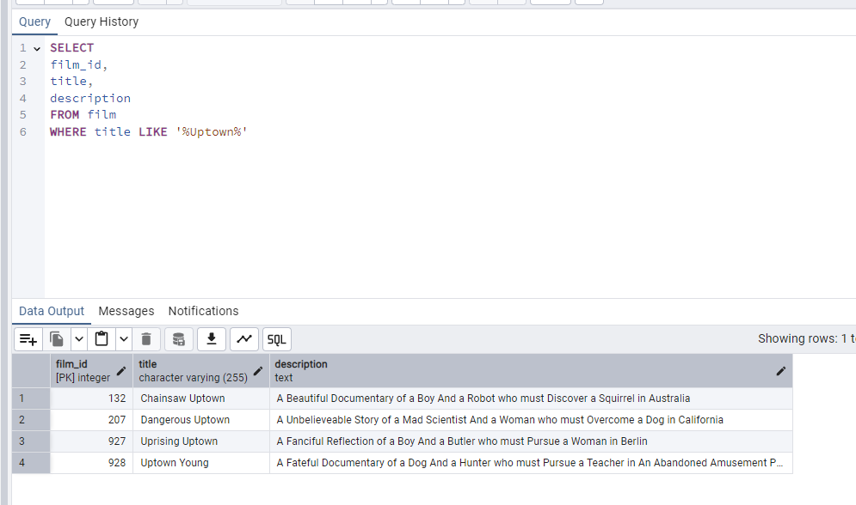
film_id | title | description | SELECT
132 | Chainsaw Uptown | A Beautiful Documentary of a Boy And a Robot who must Discover a Squirrel in Australia | film_id,
207 | Dangerous Uptown | A Unbelieveable Story of a Mad Scientist And a Woman who must Overcome a Dog in California | title,
927 | Uprising Uptown | A Fanciful Reflection of a Boy And a Butler who must Pursue a Woman in Berlin | description
928 | Uptown Young | A Fateful Documentary of a Dog And a Hunter who must Pursue a Teacher in An Abandoned Amusement Park | FROM film
 |  |  | WHERE title LIKE '%Uptown%'

1b
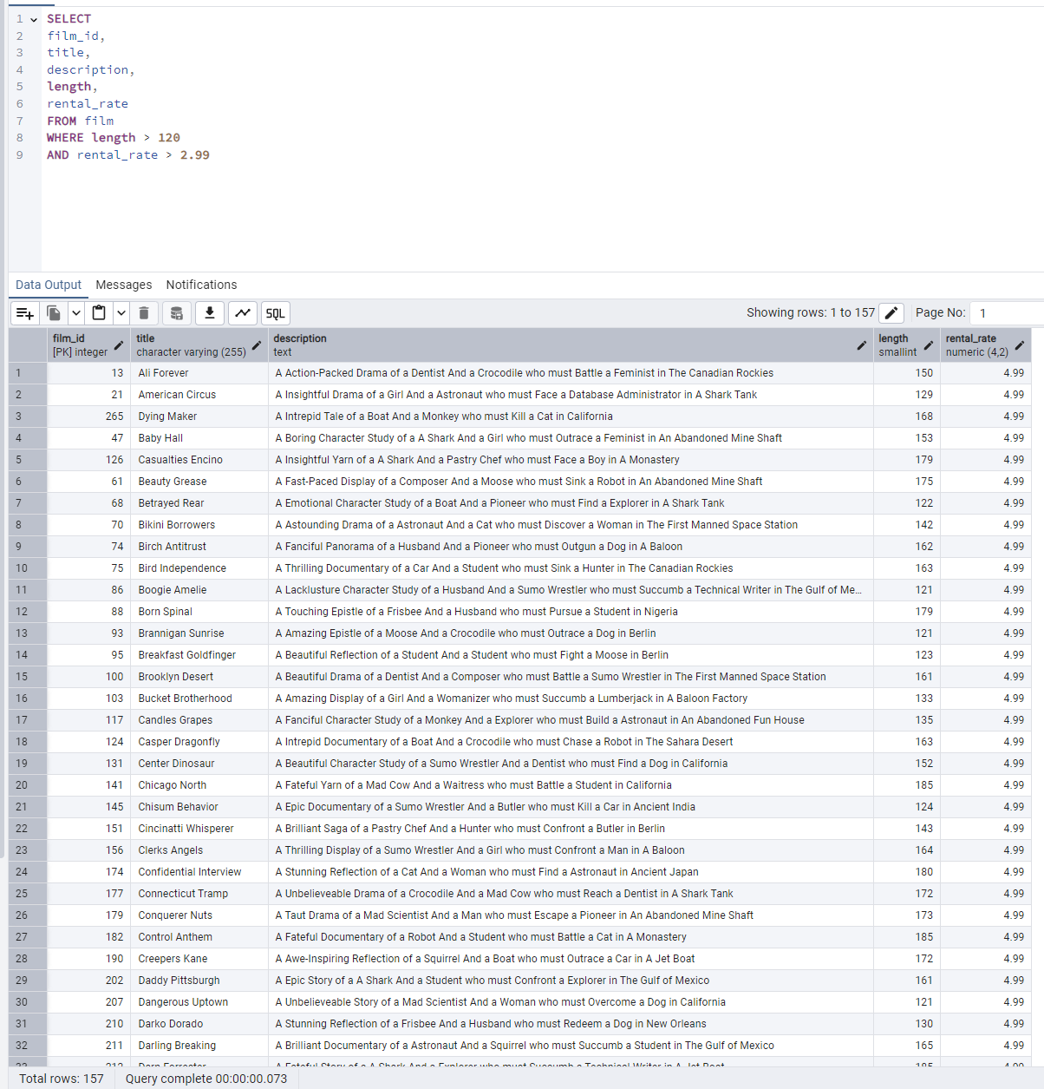
film_id | title | description | length | rental_rate | SELECT
13 | Ali Forever | A Action-Packed Drama of a Dentist And a Crocodile who must Battle a Feminist in The Canadian Rockies | 150 | 4.99 | film_id,
21 | American Circus | A Insightful Drama of a Girl And a Astronaut who must Face a Database Administrator in A Shark Tank | 129 | 4.99 | title,
265 | Dying Maker | A Intrepid Tale of a Boat And a Monkey who must Kill a Cat in California | 168 | 4.99 | description,
47 | Baby Hall | A Boring Character Study of a A Shark And a Girl who must Outrace a Feminist in An Abandoned Mine Shaft | 153 | 4.99 | length,
126 | Casualties Encino | A Insightful Yarn of a A Shark And a Pastry Chef who must Face a Boy in A Monastery | 179 | 4.99 | rental_rate
61 | Beauty Grease | A Fast-Paced Display of a Composer And a Moose who must Sink a Robot in An Abandoned Mine Shaft | 175 | 4.99 | FROM film
68 | Betrayed Rear | A Emotional Character Study of a Boat And a Pioneer who must Find a Explorer in A Shark Tank | 122 | 4.99 | WHERE length > 120
70 | Bikini Borrowers | A Astounding Drama of a Astronaut And a Cat who must Discover a Woman in The First Manned Space Station | 142 | 4.99 | AND rental_rate > 2.99
74 | Birch Antitrust | A Fanciful Panorama of a Husband And a Pioneer who must Outgun a Dog in A Baloon | 162 | 4.99
75 | Bird Independence | A Thrilling Documentary of a Car And a Student who must Sink a Hunter in The Canadian Rockies | 163 | 4.99
86 | Boogie Amelie | A Lacklusture Character Study of a Husband And a Sumo Wrestler who must Succumb a Technical Writer in The Gulf of Mexico | 121 | 4.99
88 | Born Spinal | A Touching Epistle of a Frisbee And a Husband who must Pursue a Student in Nigeria | 179 | 4.99
93 | Brannigan Sunrise | A Amazing Epistle of a Moose And a Crocodile who must Outrace a Dog in Berlin | 121 | 4.99
95 | Breakfast Goldfinger | A Beautiful Reflection of a Student And a Student who must Fight a Moose in Berlin | 123 | 4.99
100 | Brooklyn Desert | A Beautiful Drama of a Dentist And a Composer who must Battle a Sumo Wrestler in The First Manned Space Station | 161 | 4.99
103 | Bucket Brotherhood | A Amazing Display of a Girl And a Womanizer who must Succumb a Lumberjack in A Baloon Factory | 133 | 4.99
117 | Candles Grapes | A Fanciful Character Study of a Monkey And a Explorer who must Build a Astronaut in An Abandoned Fun House | 135 | 4.99
124 | Casper Dragonfly | A Intrepid Documentary of a Boat And a Crocodile who must Chase a Robot in The Sahara Desert | 163 | 4.99
131 | Center Dinosaur | A Beautiful Character Study of a Sumo Wrestler And a Dentist who must Find a Dog in California | 152 | 4.99
141 | Chicago North | A Fateful Yarn of a Mad Cow And a Waitress who must Battle a Student in California | 185 | 4.99
145 | Chisum Behavior | A Epic Documentary of a Sumo Wrestler And a Butler who must Kill a Car in Ancient India | 124 | 4.99
151 | Cincinatti Whisperer | A Brilliant Saga of a Pastry Chef And a Hunter who must Confront a Butler in Berlin | 143 | 4.99
156 | Clerks Angels | A Thrilling Display of a Sumo Wrestler And a Girl who must Confront a Man in A Baloon | 164 | 4.99
174 | Confidential Interview | A Stunning Reflection of a Cat And a Woman who must Find a Astronaut in Ancient Japan | 180 | 4.99
177 | Connecticut Tramp | A Unbelieveable Drama of a Crocodile And a Mad Cow who must Reach a Dentist in A Shark Tank | 172 | 4.99
179 | Conquerer Nuts | A Taut Drama of a Mad Scientist And a Man who must Escape a Pioneer in An Abandoned Mine Shaft | 173 | 4.99
182 | Control Anthem | A Fateful Documentary of a Robot And a Student who must Battle a Cat in A Monastery | 185 | 4.99
190 | Creepers Kane | A Awe-Inspiring Reflection of a Squirrel And a Boat who must Outrace a Car in A Jet Boat | 172 | 4.99
202 | Daddy Pittsburgh | A Epic Story of a A Shark And a Student who must Confront a Explorer in The Gulf of Mexico | 161 | 4.99
207 | Dangerous Uptown | A Unbelieveable Story of a Mad Scientist And a Woman who must Overcome a Dog in California | 121 | 4.99
210 | Darko Dorado | A Stunning Reflection of a Frisbee And a Husband who must Redeem a Dog in New Orleans | 130 | 4.99
211 | Darling Breaking | A Brilliant Documentary of a Astronaut And a Squirrel who must Succumb a Student in The Gulf of Mexico | 165 | 4.99
212 | Darn Forrester | A Fateful Story of a A Shark And a Explorer who must Succumb a Technical Writer in A Jet Boat | 185 | 4.99
239 | Dogma Family | A Brilliant Character Study of a Database Administrator And a Monkey who must Succumb a Astronaut in New Orleans | 122 | 4.99
244 | Dorado Notting | A Action-Packed Tale of a Sumo Wrestler And a A Shark who must Meet a Frisbee in California | 139 | 4.99
246 | Doubtfire Labyrinth | A Intrepid Panorama of a Butler And a Composer who must Meet a Mad Cow in The Sahara Desert | 154 | 4.99
248 | Dozen Lion | A Taut Drama of a Cat And a Girl who must Defeat a Frisbee in The Canadian Rockies | 177 | 4.99
251 | Dragonfly Strangers | A Boring Documentary of a Pioneer And a Man who must Vanquish a Man in Nigeria | 133 | 4.99
255 | Driving Polish | A Action-Packed Yarn of a Feminist And a Technical Writer who must Sink a Boat in An Abandoned Mine Shaft | 175 | 4.99
256 | Drop Waterfront | A Fanciful Documentary of a Husband And a Explorer who must Reach a Madman in Ancient China | 178 | 4.99
260 | Dude Blindness | A Stunning Reflection of a Husband And a Lumberjack who must Face a Frisbee in An Abandoned Fun House | 132 | 4.99
263 | Durham Panky | A Brilliant Panorama of a Girl And a Boy who must Face a Mad Scientist in An Abandoned Mine Shaft | 154 | 4.99
267 | Eagles Panky | A Thoughtful Story of a Car And a Boy who must Find a A Shark in The Sahara Desert | 140 | 4.99
271 | Easy Gladiator | A Fateful Story of a Monkey And a Girl who must Overcome a Pastry Chef in Ancient India | 148 | 4.99
272 | Edge Kissing | A Beautiful Yarn of a Composer And a Mad Cow who must Redeem a Mad Scientist in A Jet Boat | 153 | 4.99
277 | Elephant Trojan | A Beautiful Panorama of a Lumberjack And a Forensic Psychologist who must Overcome a Frisbee in A Baloon | 126 | 4.99
278 | Elf Murder | A Action-Packed Story of a Frisbee And a Woman who must Reach a Girl in An Abandoned Mine Shaft | 155 | 4.99
279 | Elizabeth Shane | A Lacklusture Display of a Womanizer And a Dog who must Face a Sumo Wrestler in Ancient Japan | 152 | 4.99
294 | Expecations Natural | A Amazing Drama of a Butler And a Husband who must Reach a A Shark in A U-Boat | 138 | 4.99
310 | Fever Empire | A Insightful Panorama of a Cat And a Boat who must Defeat a Boat in The Gulf of Mexico | 158 | 4.99
316 | Fire Wolves | A Intrepid Documentary of a Frisbee And a Dog who must Outrace a Lumberjack in Nigeria | 173 | 4.99
321 | Flash Wars | A Astounding Saga of a Moose And a Pastry Chef who must Chase a Student in The Gulf of Mexico | 123 | 4.99
323 | Flight Lies | A Stunning Character Study of a Crocodile And a Pioneer who must Pursue a Teacher in New Orleans | 179 | 4.99
324 | Flintstones Happiness | A Fateful Story of a Husband And a Moose who must Vanquish a Boy in California | 148 | 4.99
327 | Fool Mockingbird | A Lacklusture Tale of a Crocodile And a Composer who must Defeat a Madman in A U-Boat | 158 | 4.99
340 | Frontier Cabin | A Emotional Story of a Madman And a Waitress who must Battle a Teacher in An Abandoned Fun House | 183 | 4.99
346 | Galaxy Sweethearts | A Emotional Reflection of a Womanizer And a Pioneer who must Face a Squirrel in Berlin | 128 | 4.99
359 | Gladiator Westward | A Astounding Reflection of a Squirrel And a Sumo Wrestler who must Sink a Dentist in Ancient Japan | 173 | 4.99
365 | Gold River | A Taut Documentary of a Database Administrator And a Waitress who must Reach a Mad Scientist in A Baloon Factory | 154 | 4.99
371 | Gosford Donnie | A Epic Panorama of a Mad Scientist And a Monkey who must Redeem a Secret Agent in Berlin | 129 | 4.99
372 | Graceland Dynamite | A Taut Display of a Cat And a Girl who must Overcome a Database Administrator in New Orleans | 140 | 4.99
381 | Grinch Massage | A Intrepid Display of a Madman And a Feminist who must Pursue a Pioneer in The First Manned Space Station | 150 | 4.99
385 | Groundhog Uncut | A Brilliant Panorama of a Astronaut And a Technical Writer who must Discover a Butler in A Manhattan Penthouse | 139 | 4.99
403 | Harry Idaho | A Taut Yarn of a Technical Writer And a Feminist who must Outrace a Dog in California | 121 | 4.99
420 | Holes Brannigan | A Fast-Paced Reflection of a Technical Writer And a Student who must Fight a Boy in The Canadian Rockies | 128 | 4.99
422 | Hollow Jeopardy | A Beautiful Character Study of a Robot And a Astronaut who must Overcome a Boat in A Monastery | 136 | 4.99
426 | Home Pity | A Touching Panorama of a Man And a Secret Agent who must Challenge a Teacher in A MySQL Convention | 185 | 4.99
435 | Hotel Happiness | A Thrilling Yarn of a Pastry Chef And a A Shark who must Challenge a Mad Scientist in The Outback | 181 | 4.99
439 | Hunchback Impossible | A Touching Yarn of a Frisbee And a Dentist who must Fight a Composer in Ancient Japan | 151 | 4.99
446 | Hysterical Grail | A Amazing Saga of a Madman And a Dentist who must Build a Car in A Manhattan Penthouse | 150 | 4.99
451 | Igby Maker | A Epic Documentary of a Hunter And a Dog who must Outgun a Dog in A Baloon Factory | 160 | 4.99
456 | Inch Jet | A Fateful Saga of a Womanizer And a Student who must Defeat a Butler in A Monastery | 167 | 4.99
460 | Innocent Usual | A Beautiful Drama of a Pioneer And a Crocodile who must Challenge a Student in The Outback | 178 | 4.99
472 | Italian African | A Astounding Character Study of a Monkey And a Moose who must Outgun a Cat in A U-Boat | 174 | 4.99
487 | Jingle Sagebrush | A Epic Character Study of a Feminist And a Student who must Meet a Woman in A Baloon | 124 | 4.99
499 | King Evolution | A Action-Packed Tale of a Boy And a Lumberjack who must Chase a Madman in A Baloon | 184 | 4.99
500 | Kiss Glory | A Lacklusture Reflection of a Girl And a Husband who must Find a Robot in The Canadian Rockies | 163 | 4.99
501 | Kissing Dolls | A Insightful Reflection of a Pioneer And a Teacher who must Build a Composer in The First Manned Space Station | 141 | 4.99
508 | Lambs Cincinatti | A Insightful Story of a Man And a Feminist who must Fight a Composer in Australia | 144 | 4.99
510 | Lawless Vision | A Insightful Yarn of a Boy And a Sumo Wrestler who must Outgun a Car in The Outback | 181 | 4.99
518 | Liaisons Sweet | A Boring Drama of a A Shark And a Explorer who must Redeem a Waitress in The Canadian Rockies | 140 | 4.99
521 | Lies Treatment | A Fast-Paced Character Study of a Dentist And a Moose who must Defeat a Composer in The First Manned Space Station | 147 | 4.99
551 | Maiden Home | A Lacklusture Saga of a Moose And a Teacher who must Kill a Forensic Psychologist in A MySQL Convention | 138 | 4.99
556 | Maltese Hope | A Fast-Paced Documentary of a Crocodile And a Sumo Wrestler who must Conquer a Explorer in California | 127 | 4.99
563 | Massacre Usual | A Fateful Reflection of a Waitress And a Crocodile who must Challenge a Forensic Psychologist in California | 165 | 4.99
578 | Million Ace | A Brilliant Documentary of a Womanizer And a Squirrel who must Find a Technical Writer in The Sahara Desert | 142 | 4.99
579 | Minds Truman | A Taut Yarn of a Mad Scientist And a Crocodile who must Outgun a Database Administrator in A Monastery | 149 | 4.99
580 | Mine Titans | A Amazing Yarn of a Robot And a Womanizer who must Discover a Forensic Psychologist in Berlin | 166 | 4.99
583 | Mission Zoolander | A Intrepid Story of a Sumo Wrestler And a Teacher who must Meet a A Shark in An Abandoned Fun House | 164 | 4.99
588 | Model Fish | A Beautiful Panorama of a Boat And a Crocodile who must Outrace a Dog in Australia | 175 | 4.99
591 | Monsoon Cause | A Astounding Tale of a Crocodile And a Car who must Outrace a Squirrel in A U-Boat | 182 | 4.99
596 | Moonshine Cabin | A Thoughtful Display of a Astronaut And a Feminist who must Chase a Frisbee in A Jet Boat | 171 | 4.99
597 | Moonwalker Fool | A Epic Drama of a Feminist And a Pioneer who must Sink a Composer in New Orleans | 184 | 4.99
614 | Name Detective | A Touching Saga of a Sumo Wrestler And a Cat who must Pursue a Mad Scientist in Nigeria | 178 | 4.99
624 | Nightmare Chill | A Brilliant Display of a Robot And a Butler who must Fight a Waitress in An Abandoned Mine Shaft | 149 | 4.99
632 | Nuts Ties | A Thoughtful Drama of a Explorer And a Womanizer who must Meet a Teacher in California | 145 | 4.99
637 | Open African | A Lacklusture Drama of a Secret Agent And a Explorer who must Discover a Car in A U-Boat | 131 | 4.99
648 | Outlaw Hanky | A Thoughtful Story of a Astronaut And a Composer who must Conquer a Dog in The Sahara Desert | 148 | 4.99
661 | Past Suicides | A Intrepid Tale of a Madman And a Astronaut who must Challenge a Hunter in A Monastery | 157 | 4.99
666 | Paycheck Wait | A Awe-Inspiring Reflection of a Boy And a Man who must Discover a Moose in The Sahara Desert | 145 | 4.99
676 | Philadelphia Wife | A Taut Yarn of a Hunter And a Astronaut who must Conquer a Database Administrator in The Sahara Desert | 137 | 4.99
682 | Pittsburgh Hunchback | A Thrilling Epistle of a Boy And a Boat who must Find a Student in Soviet Georgia | 134 | 4.99
685 | Platoon Instinct | A Thrilling Panorama of a Man And a Woman who must Reach a Woman in Australia | 132 | 4.99
691 | Poseidon Forever | A Thoughtful Epistle of a Womanizer And a Monkey who must Vanquish a Dentist in A Monastery | 159 | 4.99
695 | President Bang | A Fateful Panorama of a Technical Writer And a Moose who must Battle a Robot in Soviet Georgia | 144 | 4.99
706 | Queen Luke | A Astounding Story of a Girl And a Boy who must Challenge a Composer in New Orleans | 163 | 4.99
711 | Raging Airplane | A Astounding Display of a Secret Agent And a Technical Writer who must Escape a Mad Scientist in A Jet Boat | 154 | 4.99
715 | Range Moonwalker | A Insightful Documentary of a Hunter And a Dentist who must Confront a Crocodile in A Baloon | 147 | 4.99
719 | Records Zorro | A Amazing Drama of a Mad Scientist And a Composer who must Build a Husband in The Outback | 182 | 4.99
721 | Reds Pocus | A Lacklusture Yarn of a Sumo Wrestler And a Squirrel who must Redeem a Monkey in Soviet Georgia | 182 | 4.99
725 | Requiem Tycoon | A Unbelieveable Character Study of a Cat And a Database Administrator who must Pursue a Teacher in A Monastery | 167 | 4.99
731 | Right Cranes | A Fateful Character Study of a Boat And a Cat who must Find a Database Administrator in A Jet Boat | 153 | 4.99
734 | Road Roxanne | A Boring Character Study of a Waitress And a Astronaut who must Fight a Crocodile in Ancient Japan | 158 | 4.99
739 | Rocky War | A Fast-Paced Display of a Squirrel And a Explorer who must Outgun a Mad Scientist in Nigeria | 145 | 4.99
745 | Roses Treasure | A Astounding Panorama of a Monkey And a Secret Agent who must Defeat a Woman in The First Manned Space Station | 162 | 4.99
749 | Rules Human | A Beautiful Epistle of a Astronaut And a Student who must Confront a Monkey in An Abandoned Fun House | 153 | 4.99
764 | Saturday Lambs | A Thoughtful Reflection of a Mad Scientist And a Moose who must Kill a Husband in A Baloon | 150 | 4.99
765 | Saturn Name | A Fateful Epistle of a Butler And a Boy who must Redeem a Teacher in Berlin | 182 | 4.99
767 | Scalawag Duck | A Fateful Reflection of a Car And a Teacher who must Confront a Waitress in A Monastery | 183 | 4.99
769 | School Jacket | A Intrepid Yarn of a Monkey And a Boy who must Fight a Composer in A Manhattan Penthouse | 151 | 4.99
771 | Scorpion Apollo | A Awe-Inspiring Documentary of a Technical Writer And a Husband who must Meet a Monkey in An Abandoned Fun House | 137 | 4.99
777 | Secretary Rouge | A Action-Packed Panorama of a Mad Cow And a Composer who must Discover a Robot in A Baloon Factory | 158 | 4.99
781 | Seven Swarm | A Unbelieveable Character Study of a Dog And a Mad Cow who must Kill a Monkey in Berlin | 127 | 4.99
791 | Show Lord | A Fanciful Saga of a Student And a Girl who must Find a Butler in Ancient Japan | 167 | 4.99
801 | Sister Freddy | A Stunning Saga of a Butler And a Woman who must Pursue a Explorer in Australia | 152 | 4.99
803 | Slacker Liaisons | A Fast-Paced Tale of a A Shark And a Student who must Meet a Crocodile in Ancient China | 179 | 4.99
804 | Sleeping Suspects | A Stunning Reflection of a Sumo Wrestler And a Explorer who must Sink a Frisbee in A MySQL Convention | 129 | 4.99
817 | Soldiers Evolution | A Lacklusture Panorama of a A Shark And a Pioneer who must Confront a Student in The First Manned Space Station | 185 | 4.99
818 | Something Duck | A Boring Character Study of a Car And a Husband who must Outgun a Frisbee in The First Manned Space Station | 180 | 4.99
826 | Speed Suit | A Brilliant Display of a Frisbee And a Mad Scientist who must Succumb a Robot in Ancient China | 124 | 4.99
827 | Spice Sorority | A Fateful Display of a Pioneer And a Hunter who must Defeat a Husband in An Abandoned Mine Shaft | 141 | 4.99
843 | Steel Santa | A Fast-Paced Yarn of a Composer And a Frisbee who must Face a Moose in Nigeria | 143 | 4.99
844 | Steers Armageddon | A Stunning Character Study of a Car And a Girl who must Succumb a Car in A MySQL Convention | 140 | 4.99
853 | Stranger Strangers | A Awe-Inspiring Yarn of a Womanizer And a Explorer who must Fight a Woman in The First Manned Space Station | 139 | 4.99
858 | Submarine Bed | A Amazing Display of a Car And a Monkey who must Fight a Teacher in Soviet Georgia | 127 | 4.99
865 | Sunrise League | A Beautiful Epistle of a Madman And a Butler who must Face a Crocodile in A Manhattan Penthouse | 135 | 4.99
871 | Sweden Shining | A Taut Documentary of a Car And a Robot who must Conquer a Boy in The Canadian Rockies | 176 | 4.99
879 | Telegraph Voyage | A Fateful Yarn of a Husband And a Dog who must Battle a Waitress in A Jet Boat | 148 | 4.99
887 | Thief Pelican | A Touching Documentary of a Madman And a Mad Scientist who must Outrace a Feminist in An Abandoned Mine Shaft | 135 | 4.99
897 | Torque Bound | A Emotional Display of a Crocodile And a Husband who must Reach a Man in Ancient Japan | 179 | 4.99
898 | Tourist Pelican | A Boring Story of a Butler And a Astronaut who must Outrace a Pioneer in Australia | 152 | 4.99
902 | Trading Pinocchio | A Emotional Character Study of a Student And a Explorer who must Discover a Frisbee in The First Manned Space Station | 170 | 4.99
903 | Traffic Hobbit | A Amazing Epistle of a Squirrel And a Lumberjack who must Succumb a Database Administrator in A U-Boat | 139 | 4.99
905 | Trainspotting Strangers | A Fast-Paced Drama of a Pioneer And a Mad Cow who must Challenge a Madman in Ancient Japan | 132 | 4.99
918 | Twisted Pirates | A Touching Display of a Frisbee And a Boat who must Kill a Girl in A MySQL Convention | 152 | 4.99
929 | Usual Untouchables | A Touching Display of a Explorer And a Lumberjack who must Fight a Forensic Psychologist in A Shark Tank | 128 | 4.99
933 | Vampire Whale | A Epic Story of a Lumberjack And a Monkey who must Confront a Pioneer in A MySQL Convention | 126 | 4.99
934 | Vanilla Day | A Fast-Paced Saga of a Girl And a Forensic Psychologist who must Redeem a Girl in Nigeria | 122 | 4.99
938 | Velvet Terminator | A Lacklusture Tale of a Pastry Chef And a Technical Writer who must Confront a Crocodile in An Abandoned Amusement Park | 173 | 4.99
941 | Videotape Arsenic | A Lacklusture Display of a Girl And a Astronaut who must Succumb a Student in Australia | 145 | 4.99
944 | Virgin Daisy | A Awe-Inspiring Documentary of a Robot And a Mad Scientist who must Reach a Database Administrator in A Shark Tank | 179 | 4.99
946 | Virtual Spoilers | A Fateful Tale of a Database Administrator And a Squirrel who must Discover a Student in Soviet Georgia | 144 | 4.99
950 | Volume House | A Boring Tale of a Dog And a Woman who must Meet a Dentist in California | 132 | 4.99
955 | Walls Artist | A Insightful Panorama of a Teacher And a Teacher who must Overcome a Mad Cow in An Abandoned Fun House | 135 | 4.99
961 | Wash Heavenly | A Awe-Inspiring Reflection of a Cat And a Pioneer who must Escape a Hunter in Ancient China | 161 | 4.99
969 | West Lion | A Intrepid Drama of a Butler And a Lumberjack who must Challenge a Database Administrator in A Manhattan Penthouse | 159 | 4.99
973 | Wife Turn | A Awe-Inspiring Epistle of a Teacher And a Feminist who must Confront a Pioneer in Ancient Japan | 183 | 4.99

1c
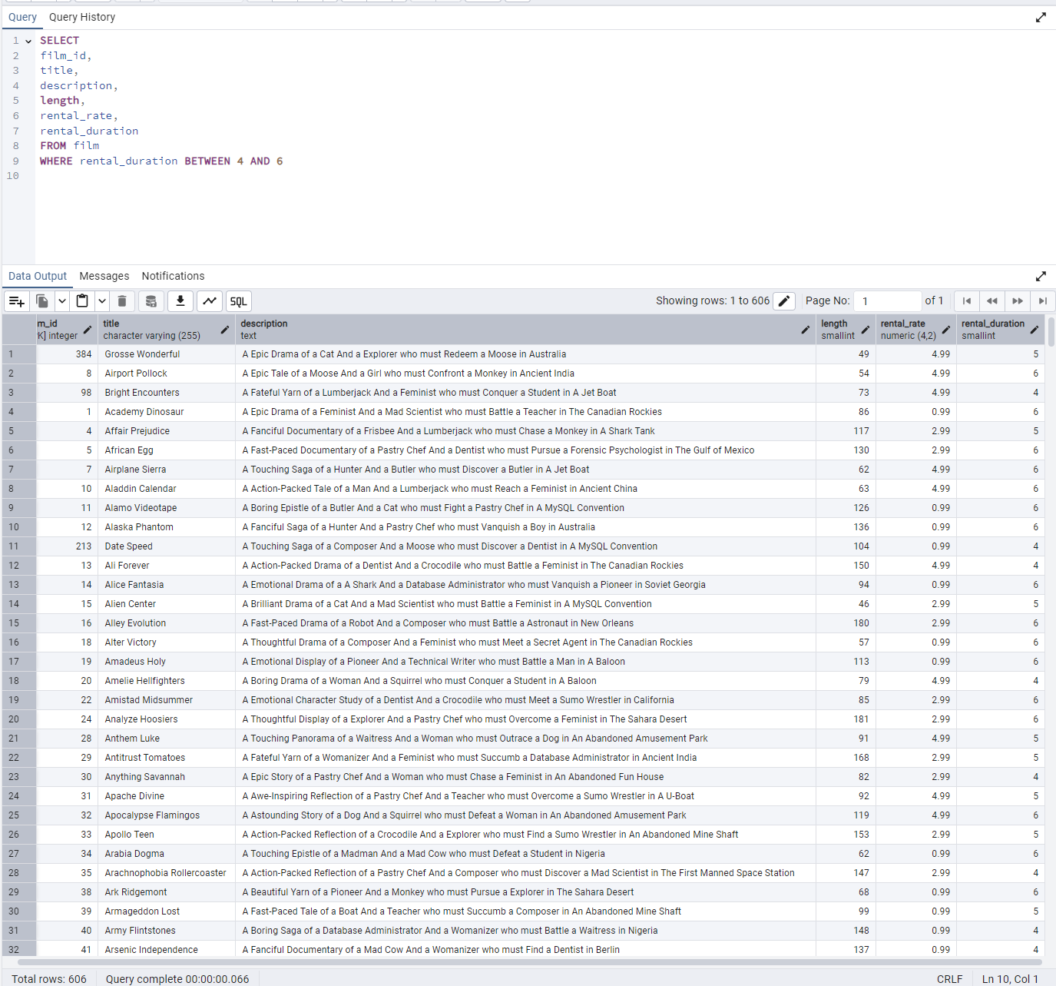
film_id | title | description | length | rental_rate | rental_duration | SELECT
384 | Grosse Wonderful | A Epic Drama of a Cat And a Explorer who must Redeem a Moose in Australia | 49 | 4.99 | 5 | film_id,
8 | Airport Pollock | A Epic Tale of a Moose And a Girl who must Confront a Monkey in Ancient India | 54 | 4.99 | 6 | title,
98 | Bright Encounters | A Fateful Yarn of a Lumberjack And a Feminist who must Conquer a Student in A Jet Boat | 73 | 4.99 | 4 | description,
1 | Academy Dinosaur | A Epic Drama of a Feminist And a Mad Scientist who must Battle a Teacher in The Canadian Rockies | 86 | 0.99 | 6 | length,
4 | Affair Prejudice | A Fanciful Documentary of a Frisbee And a Lumberjack who must Chase a Monkey in A Shark Tank | 117 | 2.99 | 5 | rental_rate,
5 | African Egg | A Fast-Paced Documentary of a Pastry Chef And a Dentist who must Pursue a Forensic Psychologist in The Gulf of Mexico | 130 | 2.99 | 6 | rental_duration
7 | Airplane Sierra | A Touching Saga of a Hunter And a Butler who must Discover a Butler in A Jet Boat | 62 | 4.99 | 6 | FROM film
10 | Aladdin Calendar | A Action-Packed Tale of a Man And a Lumberjack who must Reach a Feminist in Ancient China | 63 | 4.99 | 6 | WHERE rental_duration BETWEEN 4 AND 6
11 | Alamo Videotape | A Boring Epistle of a Butler And a Cat who must Fight a Pastry Chef in A MySQL Convention | 126 | 0.99 | 6
12 | Alaska Phantom | A Fanciful Saga of a Hunter And a Pastry Chef who must Vanquish a Boy in Australia | 136 | 0.99 | 6
213 | Date Speed | A Touching Saga of a Composer And a Moose who must Discover a Dentist in A MySQL Convention | 104 | 0.99 | 4
13 | Ali Forever | A Action-Packed Drama of a Dentist And a Crocodile who must Battle a Feminist in The Canadian Rockies | 150 | 4.99 | 4
14 | Alice Fantasia | A Emotional Drama of a A Shark And a Database Administrator who must Vanquish a Pioneer in Soviet Georgia | 94 | 0.99 | 6
15 | Alien Center | A Brilliant Drama of a Cat And a Mad Scientist who must Battle a Feminist in A MySQL Convention | 46 | 2.99 | 5
16 | Alley Evolution | A Fast-Paced Drama of a Robot And a Composer who must Battle a Astronaut in New Orleans | 180 | 2.99 | 6
18 | Alter Victory | A Thoughtful Drama of a Composer And a Feminist who must Meet a Secret Agent in The Canadian Rockies | 57 | 0.99 | 6
19 | Amadeus Holy | A Emotional Display of a Pioneer And a Technical Writer who must Battle a Man in A Baloon | 113 | 0.99 | 6
20 | Amelie Hellfighters | A Boring Drama of a Woman And a Squirrel who must Conquer a Student in A Baloon | 79 | 4.99 | 4
22 | Amistad Midsummer | A Emotional Character Study of a Dentist And a Crocodile who must Meet a Sumo Wrestler in California | 85 | 2.99 | 6
24 | Analyze Hoosiers | A Thoughtful Display of a Explorer And a Pastry Chef who must Overcome a Feminist in The Sahara Desert | 181 | 2.99 | 6
28 | Anthem Luke | A Touching Panorama of a Waitress And a Woman who must Outrace a Dog in An Abandoned Amusement Park | 91 | 4.99 | 5
29 | Antitrust Tomatoes | A Fateful Yarn of a Womanizer And a Feminist who must Succumb a Database Administrator in Ancient India | 168 | 2.99 | 5
30 | Anything Savannah | A Epic Story of a Pastry Chef And a Woman who must Chase a Feminist in An Abandoned Fun House | 82 | 2.99 | 4
31 | Apache Divine | A Awe-Inspiring Reflection of a Pastry Chef And a Teacher who must Overcome a Sumo Wrestler in A U-Boat | 92 | 4.99 | 5
32 | Apocalypse Flamingos | A Astounding Story of a Dog And a Squirrel who must Defeat a Woman in An Abandoned Amusement Park | 119 | 4.99 | 6
33 | Apollo Teen | A Action-Packed Reflection of a Crocodile And a Explorer who must Find a Sumo Wrestler in An Abandoned Mine Shaft | 153 | 2.99 | 5
34 | Arabia Dogma | A Touching Epistle of a Madman And a Mad Cow who must Defeat a Student in Nigeria | 62 | 0.99 | 6
35 | Arachnophobia Rollercoaster | A Action-Packed Reflection of a Pastry Chef And a Composer who must Discover a Mad Scientist in The First Manned Space Station | 147 | 2.99 | 4
38 | Ark Ridgemont | A Beautiful Yarn of a Pioneer And a Monkey who must Pursue a Explorer in The Sahara Desert | 68 | 0.99 | 6
39 | Armageddon Lost | A Fast-Paced Tale of a Boat And a Teacher who must Succumb a Composer in An Abandoned Mine Shaft | 99 | 0.99 | 5
40 | Army Flintstones | A Boring Saga of a Database Administrator And a Womanizer who must Battle a Waitress in Nigeria | 148 | 0.99 | 4
41 | Arsenic Independence | A Fanciful Documentary of a Mad Cow And a Womanizer who must Find a Dentist in Berlin | 137 | 0.99 | 4
42 | Artist Coldblooded | A Stunning Reflection of a Robot And a Moose who must Challenge a Woman in California | 170 | 2.99 | 5
265 | Dying Maker | A Intrepid Tale of a Boat And a Monkey who must Kill a Cat in California | 168 | 4.99 | 5
43 | Atlantis Cause | A Thrilling Yarn of a Feminist And a Hunter who must Fight a Technical Writer in A Shark Tank | 170 | 2.99 | 6
44 | Attacks Hate | A Fast-Paced Panorama of a Technical Writer And a Mad Scientist who must Find a Feminist in An Abandoned Mine Shaft | 113 | 4.99 | 5
45 | Attraction Newton | A Astounding Panorama of a Composer And a Frisbee who must Reach a Husband in Ancient Japan | 83 | 4.99 | 5
47 | Baby Hall | A Boring Character Study of a A Shark And a Girl who must Outrace a Feminist in An Abandoned Mine Shaft | 153 | 4.99 | 5
49 | Badman Dawn | A Emotional Panorama of a Pioneer And a Composer who must Escape a Mad Scientist in A Jet Boat | 162 | 2.99 | 6
51 | Balloon Homeward | A Insightful Panorama of a Forensic Psychologist And a Mad Cow who must Build a Mad Scientist in The First Manned Space Station | 75 | 2.99 | 5
52 | Ballroom Mockingbird | A Thrilling Documentary of a Composer And a Monkey who must Find a Feminist in California | 173 | 0.99 | 6
53 | Bang Kwai | A Epic Drama of a Madman And a Cat who must Face a A Shark in An Abandoned Amusement Park | 87 | 2.99 | 5
54 | Banger Pinocchio | A Awe-Inspiring Drama of a Car And a Pastry Chef who must Chase a Crocodile in The First Manned Space Station | 113 | 0.99 | 5
55 | Barbarella Streetcar | A Awe-Inspiring Story of a Feminist And a Cat who must Conquer a Dog in A Monastery | 65 | 2.99 | 6
56 | Barefoot Manchurian | A Intrepid Story of a Cat And a Student who must Vanquish a Girl in An Abandoned Amusement Park | 129 | 2.99 | 6
57 | Basic Easy | A Stunning Epistle of a Man And a Husband who must Reach a Mad Scientist in A Jet Boat | 90 | 2.99 | 4
58 | Beach Heartbreakers | A Fateful Display of a Womanizer And a Mad Scientist who must Outgun a A Shark in Soviet Georgia | 122 | 2.99 | 6
59 | Bear Graceland | A Astounding Saga of a Dog And a Boy who must Kill a Teacher in The First Manned Space Station | 160 | 2.99 | 4
61 | Beauty Grease | A Fast-Paced Display of a Composer And a Moose who must Sink a Robot in An Abandoned Mine Shaft | 175 | 4.99 | 5
62 | Bed Highball | A Astounding Panorama of a Lumberjack And a Dog who must Redeem a Woman in An Abandoned Fun House | 106 | 2.99 | 5
63 | Bedazzled Married | A Astounding Character Study of a Madman And a Robot who must Meet a Mad Scientist in An Abandoned Fun House | 73 | 0.99 | 6
64 | Beethoven Exorcist | A Epic Display of a Pioneer And a Student who must Challenge a Butler in The Gulf of Mexico | 151 | 0.99 | 6
66 | Beneath Rush | A Astounding Panorama of a Man And a Monkey who must Discover a Man in The First Manned Space Station | 53 | 0.99 | 6
67 | Berets Agent | A Taut Saga of a Crocodile And a Boy who must Overcome a Technical Writer in Ancient China | 77 | 2.99 | 5
68 | Betrayed Rear | A Emotional Character Study of a Boat And a Pioneer who must Find a Explorer in A Shark Tank | 122 | 4.99 | 5
72 | Bill Others | A Stunning Saga of a Mad Scientist And a Forensic Psychologist who must Challenge a Squirrel in A MySQL Convention | 93 | 2.99 | 6
73 | Bingo Talented | A Touching Tale of a Girl And a Crocodile who must Discover a Waitress in Nigeria | 150 | 2.99 | 5
74 | Birch Antitrust | A Fanciful Panorama of a Husband And a Pioneer who must Outgun a Dog in A Baloon | 162 | 4.99 | 4
75 | Bird Independence | A Thrilling Documentary of a Car And a Student who must Sink a Hunter in The Canadian Rockies | 163 | 4.99 | 6
76 | Birdcage Casper | A Fast-Paced Saga of a Frisbee And a Astronaut who must Overcome a Feminist in Ancient India | 103 | 0.99 | 4
77 | Birds Perdition | A Boring Story of a Womanizer And a Pioneer who must Face a Dog in California | 61 | 4.99 | 5
79 | Blade Polish | A Thoughtful Character Study of a Frisbee And a Pastry Chef who must Fight a Dentist in The First Manned Space Station | 114 | 0.99 | 5
81 | Blindness Gun | A Touching Drama of a Robot And a Dentist who must Meet a Hunter in A Jet Boat | 103 | 4.99 | 6
83 | Blues Instinct | A Insightful Documentary of a Boat And a Composer who must Meet a Forensic Psychologist in An Abandoned Fun House | 50 | 2.99 | 5
85 | Bonnie Holocaust | A Fast-Paced Story of a Crocodile And a Robot who must Find a Moose in Ancient Japan | 63 | 0.99 | 4
86 | Boogie Amelie | A Lacklusture Character Study of a Husband And a Sumo Wrestler who must Succumb a Technical Writer in The Gulf of Mexico | 121 | 4.99 | 6
91 | Bound Cheaper | A Thrilling Panorama of a Database Administrator And a Astronaut who must Challenge a Lumberjack in A Baloon | 98 | 0.99 | 5
93 | Brannigan Sunrise | A Amazing Epistle of a Moose And a Crocodile who must Outrace a Dog in Berlin | 121 | 4.99 | 4
95 | Breakfast Goldfinger | A Beautiful Reflection of a Student And a Student who must Fight a Moose in Berlin | 123 | 4.99 | 5
96 | Breaking Home | A Beautiful Display of a Secret Agent And a Monkey who must Battle a Sumo Wrestler in An Abandoned Mine Shaft | 169 | 2.99 | 4
102 | Bubble Grosse | A Awe-Inspiring Panorama of a Crocodile And a Moose who must Confront a Girl in A Baloon | 60 | 4.99 | 4
104 | Bugsy Song | A Awe-Inspiring Character Study of a Secret Agent And a Boat who must Find a Squirrel in The First Manned Space Station | 119 | 2.99 | 4
105 | Bull Shawshank | A Fanciful Drama of a Moose And a Squirrel who must Conquer a Pioneer in The Canadian Rockies | 125 | 0.99 | 6
106 | Bulworth Commandments | A Amazing Display of a Mad Cow And a Pioneer who must Redeem a Sumo Wrestler in The Outback | 61 | 2.99 | 4
107 | Bunch Minds | A Emotional Story of a Feminist And a Feminist who must Escape a Pastry Chef in A MySQL Convention | 63 | 2.99 | 4
108 | Butch Panther | A Lacklusture Yarn of a Feminist And a Database Administrator who must Face a Hunter in New Orleans | 67 | 0.99 | 6
110 | Cabin Flash | A Stunning Epistle of a Boat And a Man who must Challenge a A Shark in A Baloon Factory | 53 | 0.99 | 4
112 | Calendar Gunfight | A Thrilling Drama of a Frisbee And a Lumberjack who must Sink a Man in Nigeria | 120 | 4.99 | 4
113 | California Birds | A Thrilling Yarn of a Database Administrator And a Robot who must Battle a Database Administrator in Ancient India | 75 | 4.99 | 4
115 | Campus Remember | A Astounding Drama of a Crocodile And a Mad Cow who must Build a Robot in A Jet Boat | 167 | 2.99 | 5
116 | Candidate Perdition | A Brilliant Epistle of a Composer And a Database Administrator who must Vanquish a Mad Scientist in The First Manned Space Station | 70 | 2.99 | 4
117 | Candles Grapes | A Fanciful Character Study of a Monkey And a Explorer who must Build a Astronaut in An Abandoned Fun House | 135 | 4.99 | 6
119 | Caper Motions | A Fateful Saga of a Moose And a Car who must Pursue a Woman in A MySQL Convention | 176 | 0.99 | 6
121 | Carol Texas | A Astounding Character Study of a Composer And a Student who must Overcome a Composer in A Monastery | 151 | 2.99 | 4
123 | Casablanca Super | A Amazing Panorama of a Crocodile And a Forensic Psychologist who must Pursue a Secret Agent in The First Manned Space Station | 85 | 4.99 | 6
125 | Cassidy Wyoming | A Intrepid Drama of a Frisbee And a Hunter who must Kill a Secret Agent in New Orleans | 61 | 2.99 | 5
127 | Cat Coneheads | A Fast-Paced Panorama of a Girl And a A Shark who must Confront a Boy in Ancient India | 112 | 4.99 | 5
131 | Center Dinosaur | A Beautiful Character Study of a Sumo Wrestler And a Dentist who must Find a Dog in California | 152 | 4.99 | 5
132 | Chainsaw Uptown | A Beautiful Documentary of a Boy And a Robot who must Discover a Squirrel in Australia | 114 | 0.99 | 6
134 | Champion Flatliners | A Amazing Story of a Mad Cow And a Dog who must Kill a Husband in A Monastery | 51 | 4.99 | 4
154 | Clash Freddy | A Amazing Yarn of a Composer And a Squirrel who must Escape a Astronaut in Australia | 81 | 2.99 | 6
138 | Chariots Conspiracy | A Unbelieveable Epistle of a Robot And a Husband who must Chase a Robot in The First Manned Space Station | 71 | 2.99 | 5
140 | Cheaper Clyde | A Emotional Character Study of a Pioneer And a Girl who must Discover a Dog in Ancient Japan | 87 | 0.99 | 6
141 | Chicago North | A Fateful Yarn of a Mad Cow And a Waitress who must Battle a Student in California | 185 | 4.99 | 6
143 | Chill Luck | A Lacklusture Epistle of a Boat And a Technical Writer who must Fight a A Shark in The Canadian Rockies | 142 | 0.99 | 6
145 | Chisum Behavior | A Epic Documentary of a Sumo Wrestler And a Butler who must Kill a Car in Ancient India | 124 | 4.99 | 5
146 | Chitty Lock | A Boring Epistle of a Boat And a Database Administrator who must Kill a Sumo Wrestler in The First Manned Space Station | 107 | 2.99 | 6
147 | Chocolat Harry | A Action-Packed Epistle of a Dentist And a Moose who must Meet a Mad Cow in Ancient Japan | 101 | 0.99 | 5
151 | Cincinatti Whisperer | A Brilliant Saga of a Pastry Chef And a Hunter who must Confront a Butler in Berlin | 143 | 4.99 | 5
152 | Circus Youth | A Thoughtful Drama of a Pastry Chef And a Dentist who must Pursue a Girl in A Baloon | 90 | 2.99 | 5
155 | Cleopatra Devil | A Fanciful Documentary of a Crocodile And a Technical Writer who must Fight a A Shark in A Baloon | 150 | 0.99 | 6
158 | Clones Pinocchio | A Amazing Drama of a Car And a Robot who must Pursue a Dentist in New Orleans | 124 | 2.99 | 6
159 | Closer Bang | A Unbelieveable Panorama of a Frisbee And a Hunter who must Vanquish a Monkey in Ancient India | 58 | 4.99 | 5
160 | Club Graffiti | A Epic Tale of a Pioneer And a Hunter who must Escape a Girl in A U-Boat | 65 | 0.99 | 4
161 | Clue Grail | A Taut Tale of a Butler And a Mad Scientist who must Build a Crocodile in Ancient China | 70 | 4.99 | 6
162 | Clueless Bucket | A Taut Tale of a Car And a Pioneer who must Conquer a Sumo Wrestler in An Abandoned Fun House | 95 | 2.99 | 4
163 | Clyde Theory | A Beautiful Yarn of a Astronaut And a Frisbee who must Overcome a Explorer in A Jet Boat | 139 | 0.99 | 4
164 | Coast Rainbow | A Astounding Documentary of a Mad Cow And a Pioneer who must Challenge a Butler in The Sahara Desert | 55 | 0.99 | 4
166 | Color Philadelphia | A Thoughtful Panorama of a Car And a Crocodile who must Sink a Monkey in The Sahara Desert | 149 | 2.99 | 6
167 | Coma Head | A Awe-Inspiring Drama of a Boy And a Frisbee who must Escape a Pastry Chef in California | 109 | 4.99 | 6
168 | Comancheros Enemy | A Boring Saga of a Lumberjack And a Monkey who must Find a Monkey in The Gulf of Mexico | 67 | 0.99 | 5
170 | Command Darling | A Awe-Inspiring Tale of a Forensic Psychologist And a Woman who must Challenge a Database Administrator in Ancient Japan | 120 | 4.99 | 5
171 | Commandments Express | A Fanciful Saga of a Student And a Mad Scientist who must Battle a Hunter in An Abandoned Mine Shaft | 59 | 4.99 | 6
174 | Confidential Interview | A Stunning Reflection of a Cat And a Woman who must Find a Astronaut in Ancient Japan | 180 | 4.99 | 6
176 | Congeniality Quest | A Touching Documentary of a Cat And a Pastry Chef who must Find a Lumberjack in A Baloon | 87 | 0.99 | 6
177 | Connecticut Tramp | A Unbelieveable Drama of a Crocodile And a Mad Cow who must Reach a Dentist in A Shark Tank | 172 | 4.99 | 4
178 | Connection Microcosmos | A Fateful Documentary of a Crocodile And a Husband who must Face a Husband in The First Manned Space Station | 115 | 0.99 | 6
179 | Conquerer Nuts | A Taut Drama of a Mad Scientist And a Man who must Escape a Pioneer in An Abandoned Mine Shaft | 173 | 4.99 | 4
180 | Conspiracy Spirit | A Awe-Inspiring Story of a Student And a Frisbee who must Conquer a Crocodile in An Abandoned Mine Shaft | 184 | 2.99 | 4
183 | Conversation Downhill | A Taut Character Study of a Husband And a Waitress who must Sink a Squirrel in A MySQL Convention | 112 | 4.99 | 4
186 | Craft Outfield | A Lacklusture Display of a Explorer And a Hunter who must Succumb a Database Administrator in A Baloon Factory | 64 | 0.99 | 6
187 | Cranes Reservoir | A Fanciful Documentary of a Teacher And a Dog who must Outgun a Forensic Psychologist in A Baloon Factory | 57 | 2.99 | 5
190 | Creepers Kane | A Awe-Inspiring Reflection of a Squirrel And a Boat who must Outrace a Car in A Jet Boat | 172 | 4.99 | 5
191 | Crooked Frogmen | A Unbelieveable Drama of a Hunter And a Database Administrator who must Battle a Crocodile in An Abandoned Amusement Park | 143 | 0.99 | 6
192 | Crossing Divorce | A Beautiful Documentary of a Dog And a Robot who must Redeem a Womanizer in Berlin | 50 | 4.99 | 4
193 | Crossroads Casualties | A Intrepid Documentary of a Sumo Wrestler And a Astronaut who must Battle a Composer in The Outback | 153 | 2.99 | 5
194 | Crow Grease | A Awe-Inspiring Documentary of a Woman And a Husband who must Sink a Database Administrator in The First Manned Space Station | 104 | 0.99 | 6
197 | Crusade Honey | A Fast-Paced Reflection of a Explorer And a Butler who must Battle a Madman in An Abandoned Amusement Park | 112 | 2.99 | 4
198 | Crystal Breaking | A Fast-Paced Character Study of a Feminist And a Explorer who must Face a Pastry Chef in Ancient Japan | 184 | 2.99 | 6
199 | Cupboard Sinners | A Emotional Reflection of a Frisbee And a Boat who must Reach a Pastry Chef in An Abandoned Amusement Park | 56 | 2.99 | 4
202 | Daddy Pittsburgh | A Epic Story of a A Shark And a Student who must Confront a Explorer in The Gulf of Mexico | 161 | 4.99 | 5
203 | Daisy Menagerie | A Fast-Paced Saga of a Pastry Chef And a Monkey who must Sink a Composer in Ancient India | 84 | 4.99 | 5
204 | Dalmations Sweden | A Emotional Epistle of a Moose And a Hunter who must Overcome a Robot in A Manhattan Penthouse | 106 | 0.99 | 4
206 | Dancing Fever | A Stunning Story of a Explorer And a Forensic Psychologist who must Face a Crocodile in A Shark Tank | 144 | 0.99 | 6
209 | Darkness War | A Touching Documentary of a Husband And a Hunter who must Escape a Boy in The Sahara Desert | 99 | 2.99 | 6
215 | Dawn Pond | A Thoughtful Documentary of a Dentist And a Forensic Psychologist who must Defeat a Waitress in Berlin | 57 | 4.99 | 4
217 | Dazed Punk | A Action-Packed Story of a Pioneer And a Technical Writer who must Discover a Forensic Psychologist in An Abandoned Amusement Park | 120 | 4.99 | 6
219 | Deep Crusade | A Amazing Tale of a Crocodile And a Squirrel who must Discover a Composer in Australia | 51 | 4.99 | 6
221 | Deliverance Mulholland | A Astounding Saga of a Monkey And a Moose who must Conquer a Butler in A Shark Tank | 100 | 0.99 | 4
222 | Desert Poseidon | A Brilliant Documentary of a Butler And a Frisbee who must Build a Astronaut in New Orleans | 64 | 4.99 | 4
226 | Destiny Saturday | A Touching Drama of a Crocodile And a Crocodile who must Conquer a Explorer in Soviet Georgia | 56 | 4.99 | 4
227 | Details Packer | A Epic Saga of a Waitress And a Composer who must Face a Boat in A U-Boat | 88 | 4.99 | 4
228 | Detective Vision | A Fanciful Documentary of a Pioneer And a Woman who must Redeem a Hunter in Ancient Japan | 143 | 0.99 | 4
229 | Devil Desire | A Beautiful Reflection of a Monkey And a Dentist who must Face a Database Administrator in Ancient Japan | 87 | 4.99 | 6
234 | Disturbing Scarface | A Lacklusture Display of a Crocodile And a Butler who must Overcome a Monkey in A U-Boat | 94 | 2.99 | 6
235 | Divide Monster | A Intrepid Saga of a Man And a Forensic Psychologist who must Reach a Squirrel in A Monastery | 68 | 2.99 | 6
236 | Divine Resurrection | A Boring Character Study of a Man And a Womanizer who must Succumb a Teacher in An Abandoned Amusement Park | 100 | 2.99 | 4
238 | Doctor Grail | A Insightful Drama of a Womanizer And a Waitress who must Reach a Forensic Psychologist in The Outback | 57 | 2.99 | 4
239 | Dogma Family | A Brilliant Character Study of a Database Administrator And a Monkey who must Succumb a Astronaut in New Orleans | 122 | 4.99 | 5
241 | Donnie Alley | A Awe-Inspiring Tale of a Butler And a Frisbee who must Vanquish a Teacher in Ancient Japan | 125 | 0.99 | 4
242 | Doom Dancing | A Astounding Panorama of a Car And a Mad Scientist who must Battle a Lumberjack in A MySQL Convention | 68 | 0.99 | 4
244 | Dorado Notting | A Action-Packed Tale of a Sumo Wrestler And a A Shark who must Meet a Frisbee in California | 139 | 4.99 | 5
245 | Double Wrath | A Thoughtful Yarn of a Womanizer And a Dog who must Challenge a Madman in The Gulf of Mexico | 177 | 0.99 | 4
246 | Doubtfire Labyrinth | A Intrepid Panorama of a Butler And a Composer who must Meet a Mad Cow in The Sahara Desert | 154 | 4.99 | 5
248 | Dozen Lion | A Taut Drama of a Cat And a Girl who must Defeat a Frisbee in The Canadian Rockies | 177 | 4.99 | 6
250 | Dragon Squad | A Taut Reflection of a Boy And a Waitress who must Outgun a Teacher in Ancient China | 170 | 0.99 | 4
251 | Dragonfly Strangers | A Boring Documentary of a Pioneer And a Man who must Vanquish a Man in Nigeria | 133 | 4.99 | 6
252 | Dream Pickup | A Epic Display of a Car And a Composer who must Overcome a Forensic Psychologist in The Gulf of Mexico | 135 | 2.99 | 6
253 | Drifter Commandments | A Epic Reflection of a Womanizer And a Squirrel who must Discover a Husband in A Jet Boat | 61 | 4.99 | 5
254 | Driver Annie | A Lacklusture Character Study of a Butler And a Car who must Redeem a Boat in An Abandoned Fun House | 159 | 2.99 | 4
255 | Driving Polish | A Action-Packed Yarn of a Feminist And a Technical Writer who must Sink a Boat in An Abandoned Mine Shaft | 175 | 4.99 | 6
256 | Drop Waterfront | A Fanciful Documentary of a Husband And a Explorer who must Reach a Madman in Ancient China | 178 | 4.99 | 6
258 | Drums Dynamite | A Epic Display of a Crocodile And a Crocodile who must Confront a Dog in An Abandoned Amusement Park | 96 | 0.99 | 6
259 | Duck Racer | A Lacklusture Yarn of a Teacher And a Squirrel who must Overcome a Dog in A Shark Tank | 116 | 2.99 | 4
261 | Duffel Apocalypse | A Emotional Display of a Boat And a Explorer who must Challenge a Madman in A MySQL Convention | 171 | 0.99 | 5
262 | Dumbo Lust | A Touching Display of a Feminist And a Dentist who must Conquer a Husband in The Gulf of Mexico | 119 | 0.99 | 5
263 | Durham Panky | A Brilliant Panorama of a Girl And a Boy who must Face a Mad Scientist in An Abandoned Mine Shaft | 154 | 4.99 | 6
264 | Dwarfs Alter | A Emotional Yarn of a Girl And a Dog who must Challenge a Composer in Ancient Japan | 101 | 2.99 | 6
266 | Dynamite Tarzan | A Intrepid Documentary of a Forensic Psychologist And a Mad Scientist who must Face a Explorer in A U-Boat | 141 | 0.99 | 4
267 | Eagles Panky | A Thoughtful Story of a Car And a Boy who must Find a A Shark in The Sahara Desert | 140 | 4.99 | 4
268 | Early Home | A Amazing Panorama of a Mad Scientist And a Husband who must Meet a Woman in The Outback | 96 | 4.99 | 6
271 | Easy Gladiator | A Fateful Story of a Monkey And a Girl who must Overcome a Pastry Chef in Ancient India | 148 | 4.99 | 5
272 | Edge Kissing | A Beautiful Yarn of a Composer And a Mad Cow who must Redeem a Mad Scientist in A Jet Boat | 153 | 4.99 | 5
273 | Effect Gladiator | A Beautiful Display of a Pastry Chef And a Pastry Chef who must Outgun a Forensic Psychologist in A Manhattan Penthouse | 107 | 0.99 | 6
274 | Egg Igby | A Beautiful Documentary of a Boat And a Sumo Wrestler who must Succumb a Database Administrator in The First Manned Space Station | 67 | 2.99 | 4
276 | Element Freddy | A Awe-Inspiring Reflection of a Waitress And a Squirrel who must Kill a Mad Cow in A Jet Boat | 115 | 4.99 | 6
277 | Elephant Trojan | A Beautiful Panorama of a Lumberjack And a Forensic Psychologist who must Overcome a Frisbee in A Baloon | 126 | 4.99 | 4
278 | Elf Murder | A Action-Packed Story of a Frisbee And a Woman who must Reach a Girl in An Abandoned Mine Shaft | 155 | 4.99 | 4
281 | Encino Elf | A Astounding Drama of a Feminist And a Teacher who must Confront a Husband in A Baloon | 143 | 0.99 | 6
282 | Encounters Curtain | A Insightful Epistle of a Pastry Chef And a Womanizer who must Build a Boat in New Orleans | 92 | 0.99 | 5
283 | Ending Crowds | A Unbelieveable Display of a Dentist And a Madman who must Vanquish a Squirrel in Berlin | 85 | 0.99 | 6
284 | Enemy Odds | A Fanciful Panorama of a Mad Scientist And a Woman who must Pursue a Astronaut in Ancient India | 77 | 4.99 | 5
287 | Entrapment Satisfaction | A Thoughtful Panorama of a Hunter And a Teacher who must Reach a Mad Cow in A U-Boat | 176 | 0.99 | 5
289 | Eve Resurrection | A Awe-Inspiring Yarn of a Pastry Chef And a Database Administrator who must Challenge a Teacher in A Baloon | 66 | 4.99 | 5
290 | Everyone Craft | A Fateful Display of a Waitress And a Dentist who must Reach a Butler in Nigeria | 163 | 0.99 | 4
291 | Evolution Alter | A Fanciful Character Study of a Feminist And a Madman who must Find a Explorer in A Baloon Factory | 174 | 0.99 | 5
293 | Exorcist Sting | A Touching Drama of a Dog And a Sumo Wrestler who must Conquer a Mad Scientist in Berlin | 167 | 2.99 | 6
294 | Expecations Natural | A Amazing Drama of a Butler And a Husband who must Reach a A Shark in A U-Boat | 138 | 4.99 | 5
296 | Express Lonely | A Boring Drama of a Astronaut And a Boat who must Face a Boat in California | 178 | 2.99 | 5
297 | Extraordinary Conquerer | A Stunning Story of a Dog And a Feminist who must Face a Forensic Psychologist in Berlin | 122 | 2.99 | 6
298 | Eyes Driving | A Thrilling Story of a Cat And a Waitress who must Fight a Explorer in The Outback | 172 | 2.99 | 4
299 | Factory Dragon | A Action-Packed Saga of a Teacher And a Frisbee who must Escape a Lumberjack in The Sahara Desert | 144 | 0.99 | 4
300 | Falcon Volume | A Fateful Saga of a Sumo Wrestler And a Hunter who must Redeem a A Shark in New Orleans | 102 | 4.99 | 5
301 | Family Sweet | A Epic Documentary of a Teacher And a Boy who must Escape a Woman in Berlin | 155 | 0.99 | 4
302 | Fantasia Park | A Thoughtful Documentary of a Mad Scientist And a A Shark who must Outrace a Feminist in Australia | 131 | 2.99 | 5
303 | Fantasy Troopers | A Touching Saga of a Teacher And a Monkey who must Overcome a Secret Agent in A MySQL Convention | 58 | 0.99 | 6
305 | Fatal Haunted | A Beautiful Drama of a Student And a Secret Agent who must Confront a Dentist in Ancient Japan | 91 | 2.99 | 6
307 | Fellowship Autumn | A Lacklusture Reflection of a Dentist And a Hunter who must Meet a Teacher in A Baloon | 77 | 4.99 | 6
309 | Feud Frogmen | A Brilliant Reflection of a Database Administrator And a Mad Cow who must Chase a Woman in The Canadian Rockies | 98 | 0.99 | 6
310 | Fever Empire | A Insightful Panorama of a Cat And a Boat who must Defeat a Boat in The Gulf of Mexico | 158 | 4.99 | 5
311 | Fiction Christmas | A Emotional Yarn of a A Shark And a Student who must Battle a Robot in An Abandoned Mine Shaft | 72 | 0.99 | 4
312 | Fiddler Lost | A Boring Tale of a Squirrel And a Dog who must Challenge a Madman in The Gulf of Mexico | 75 | 4.99 | 4
313 | Fidelity Devil | A Awe-Inspiring Drama of a Technical Writer And a Composer who must Reach a Pastry Chef in A U-Boat | 118 | 4.99 | 5
315 | Finding Anaconda | A Fateful Tale of a Database Administrator And a Girl who must Battle a Squirrel in New Orleans | 156 | 0.99 | 4
316 | Fire Wolves | A Intrepid Documentary of a Frisbee And a Dog who must Outrace a Lumberjack in Nigeria | 173 | 4.99 | 5
317 | Fireball Philadelphia | A Amazing Yarn of a Dentist And a A Shark who must Vanquish a Madman in An Abandoned Mine Shaft | 148 | 0.99 | 4
319 | Fish Opus | A Touching Display of a Feminist And a Girl who must Confront a Astronaut in Australia | 125 | 2.99 | 4
320 | Flamingos Connecticut | A Fast-Paced Reflection of a Composer And a Composer who must Meet a Cat in The Sahara Desert | 80 | 4.99 | 4
322 | Flatliners Killer | A Taut Display of a Secret Agent And a Waitress who must Sink a Robot in An Abandoned Mine Shaft | 100 | 2.99 | 5
325 | Floats Garden | A Action-Packed Epistle of a Robot And a Car who must Chase a Boat in Ancient Japan | 145 | 2.99 | 6
326 | Flying Hook | A Thrilling Display of a Mad Cow And a Dog who must Challenge a Frisbee in Nigeria | 69 | 2.99 | 6
329 | Forrest Sons | A Thrilling Documentary of a Forensic Psychologist And a Butler who must Defeat a Explorer in A Jet Boat | 63 | 2.99 | 4
331 | Forward Temple | A Astounding Display of a Forensic Psychologist And a Mad Scientist who must Challenge a Girl in New Orleans | 90 | 2.99 | 6
334 | Freddy Storm | A Intrepid Saga of a Man And a Lumberjack who must Vanquish a Husband in The Outback | 65 | 4.99 | 6
335 | Freedom Cleopatra | A Emotional Reflection of a Dentist And a Mad Cow who must Face a Squirrel in A Baloon | 133 | 0.99 | 5
336 | French Holiday | A Thrilling Epistle of a Dog And a Feminist who must Kill a Madman in Berlin | 99 | 4.99 | 5
337 | Frida Slipper | A Fateful Story of a Lumberjack And a Car who must Escape a Boat in An Abandoned Mine Shaft | 73 | 2.99 | 6
338 | Frisco Forrest | A Beautiful Documentary of a Woman And a Pioneer who must Pursue a Mad Scientist in A Shark Tank | 51 | 4.99 | 6
339 | Frogmen Breaking | A Unbelieveable Yarn of a Mad Scientist And a Cat who must Chase a Lumberjack in Australia | 111 | 0.99 | 5
340 | Frontier Cabin | A Emotional Story of a Madman And a Waitress who must Battle a Teacher in An Abandoned Fun House | 183 | 4.99 | 6
341 | Frost Head | A Amazing Reflection of a Lumberjack And a Cat who must Discover a Husband in A MySQL Convention | 82 | 0.99 | 5
343 | Full Flatliners | A Beautiful Documentary of a Astronaut And a Moose who must Pursue a Monkey in A Shark Tank | 94 | 2.99 | 6
346 | Galaxy Sweethearts | A Emotional Reflection of a Womanizer And a Pioneer who must Face a Squirrel in Berlin | 128 | 4.99 | 4
349 | Gangs Pride | A Taut Character Study of a Woman And a A Shark who must Confront a Frisbee in Berlin | 185 | 2.99 | 4
351 | Gaslight Crusade | A Amazing Epistle of a Boy And a Astronaut who must Redeem a Man in The Gulf of Mexico | 106 | 2.99 | 4
352 | Gathering Calendar | A Intrepid Tale of a Pioneer And a Moose who must Conquer a Frisbee in A MySQL Convention | 176 | 0.99 | 4
353 | Gentlemen Stage | A Awe-Inspiring Reflection of a Monkey And a Student who must Overcome a Dentist in The First Manned Space Station | 125 | 2.99 | 6
354 | Ghost Groundhog | A Brilliant Panorama of a Madman And a Composer who must Succumb a Car in Ancient India | 85 | 4.99 | 6
356 | Giant Troopers | A Fateful Display of a Feminist And a Monkey who must Vanquish a Monkey in The Canadian Rockies | 102 | 2.99 | 5
358 | Gilmore Boiled | A Unbelieveable Documentary of a Boat And a Husband who must Succumb a Student in A U-Boat | 163 | 0.99 | 5
359 | Gladiator Westward | A Astounding Reflection of a Squirrel And a Sumo Wrestler who must Sink a Dentist in Ancient Japan | 173 | 4.99 | 6
360 | Glass Dying | A Astounding Drama of a Frisbee And a Astronaut who must Fight a Dog in Ancient Japan | 103 | 0.99 | 4
361 | Gleaming Jawbreaker | A Amazing Display of a Composer And a Forensic Psychologist who must Discover a Car in The Canadian Rockies | 89 | 2.99 | 5
365 | Gold River | A Taut Documentary of a Database Administrator And a Waitress who must Reach a Mad Scientist in A Baloon Factory | 154 | 4.99 | 4
367 | Goldmine Tycoon | A Brilliant Epistle of a Composer And a Frisbee who must Conquer a Husband in The Outback | 153 | 0.99 | 6
369 | Goodfellas Salute | A Unbelieveable Tale of a Dog And a Explorer who must Sink a Mad Cow in A Baloon Factory | 56 | 4.99 | 4
370 | Gorgeous Bingo | A Action-Packed Display of a Sumo Wrestler And a Car who must Overcome a Waitress in A Baloon Factory | 108 | 2.99 | 4
371 | Gosford Donnie | A Epic Panorama of a Mad Scientist And a Monkey who must Redeem a Secret Agent in Berlin | 129 | 4.99 | 5
372 | Graceland Dynamite | A Taut Display of a Cat And a Girl who must Overcome a Database Administrator in New Orleans | 140 | 4.99 | 5
375 | Grail Frankenstein | A Unbelieveable Saga of a Teacher And a Monkey who must Fight a Girl in An Abandoned Mine Shaft | 85 | 2.99 | 4
376 | Grapes Fury | A Boring Yarn of a Mad Cow And a Sumo Wrestler who must Meet a Robot in Australia | 155 | 0.99 | 4
378 | Greatest North | A Astounding Character Study of a Secret Agent And a Robot who must Build a A Shark in Berlin | 93 | 2.99 | 5
383 | Groove Fiction | A Unbelieveable Reflection of a Moose And a A Shark who must Defeat a Lumberjack in An Abandoned Mine Shaft | 111 | 0.99 | 6
385 | Groundhog Uncut | A Brilliant Panorama of a Astronaut And a Technical Writer who must Discover a Butler in A Manhattan Penthouse | 139 | 4.99 | 6
388 | Gunfight Moon | A Epic Reflection of a Pastry Chef And a Explorer who must Reach a Dentist in The Sahara Desert | 70 | 0.99 | 5
390 | Guys Falcon | A Boring Story of a Woman And a Feminist who must Redeem a Squirrel in A U-Boat | 84 | 4.99 | 4
391 | Half Outfield | A Epic Epistle of a Database Administrator And a Crocodile who must Face a Madman in A Jet Boat | 146 | 2.99 | 6
392 | Hall Cassidy | A Beautiful Panorama of a Pastry Chef And a A Shark who must Battle a Pioneer in Soviet Georgia | 51 | 4.99 | 5
393 | Halloween Nuts | A Amazing Panorama of a Forensic Psychologist And a Technical Writer who must Fight a Dentist in A U-Boat | 47 | 2.99 | 6
449 | Identity Lover | A Boring Tale of a Composer And a Mad Cow who must Defeat a Car in The Outback | 119 | 2.99 | 4
395 | Handicap Boondock | A Beautiful Display of a Pioneer And a Squirrel who must Vanquish a Sumo Wrestler in Soviet Georgia | 108 | 0.99 | 4
396 | Hanging Deep | A Action-Packed Yarn of a Boat And a Crocodile who must Build a Monkey in Berlin | 62 | 4.99 | 5
397 | Hanky October | A Boring Epistle of a Database Administrator And a Explorer who must Pursue a Madman in Soviet Georgia | 107 | 2.99 | 5
398 | Hanover Galaxy | A Stunning Reflection of a Girl And a Secret Agent who must Succumb a Boy in A MySQL Convention | 47 | 4.99 | 5
399 | Happiness United | A Action-Packed Panorama of a Husband And a Feminist who must Meet a Forensic Psychologist in Ancient Japan | 100 | 2.99 | 6
401 | Harold French | A Stunning Saga of a Sumo Wrestler And a Student who must Outrace a Moose in The Sahara Desert | 168 | 0.99 | 6
403 | Harry Idaho | A Taut Yarn of a Technical Writer And a Feminist who must Outrace a Dog in California | 121 | 4.99 | 5
404 | Hate Handicap | A Intrepid Reflection of a Mad Scientist And a Pioneer who must Overcome a Hunter in The First Manned Space Station | 107 | 0.99 | 4
405 | Haunted Antitrust | A Amazing Saga of a Man And a Dentist who must Reach a Technical Writer in Ancient India | 76 | 4.99 | 6
406 | Haunting Pianist | A Fast-Paced Story of a Database Administrator And a Composer who must Defeat a Squirrel in An Abandoned Amusement Park | 181 | 0.99 | 5
407 | Hawk Chill | A Action-Packed Drama of a Mad Scientist And a Composer who must Outgun a Car in Australia | 47 | 0.99 | 5
408 | Head Stranger | A Thoughtful Saga of a Hunter And a Crocodile who must Confront a Dog in The Gulf of Mexico | 69 | 4.99 | 4
411 | Heavenly Gun | A Beautiful Yarn of a Forensic Psychologist And a Frisbee who must Battle a Moose in A Jet Boat | 49 | 4.99 | 5
412 | Heavyweights Beast | A Unbelieveable Story of a Composer And a Dog who must Overcome a Womanizer in An Abandoned Amusement Park | 102 | 4.99 | 6
416 | Highball Potter | A Action-Packed Saga of a Husband And a Dog who must Redeem a Database Administrator in The Sahara Desert | 110 | 0.99 | 6
417 | Hills Neighbors | A Epic Display of a Hunter And a Feminist who must Sink a Car in A U-Boat | 93 | 0.99 | 5
418 | Hobbit Alien | A Emotional Drama of a Husband And a Girl who must Outgun a Composer in The First Manned Space Station | 157 | 0.99 | 5
419 | Hocus Frida | A Awe-Inspiring Tale of a Girl And a Madman who must Outgun a Student in A Shark Tank | 141 | 2.99 | 4
424 | Holocaust Highball | A Awe-Inspiring Yarn of a Composer And a Man who must Find a Robot in Soviet Georgia | 149 | 0.99 | 6
425 | Holy Tadpole | A Action-Packed Display of a Feminist And a Pioneer who must Pursue a Dog in A Baloon Factory | 88 | 0.99 | 6
427 | Homeward Cider | A Taut Reflection of a Astronaut And a Squirrel who must Fight a Squirrel in A Manhattan Penthouse | 103 | 0.99 | 5
428 | Homicide Peach | A Astounding Documentary of a Hunter And a Boy who must Confront a Boy in A MySQL Convention | 141 | 2.99 | 6
450 | Idols Snatchers | A Insightful Drama of a Car And a Composer who must Fight a Man in A Monastery | 84 | 2.99 | 5
432 | Hope Tootsie | A Amazing Documentary of a Student And a Sumo Wrestler who must Outgun a A Shark in A Shark Tank | 139 | 2.99 | 4
433 | Horn Working | A Stunning Display of a Mad Scientist And a Technical Writer who must Succumb a Monkey in A Shark Tank | 95 | 2.99 | 4
435 | Hotel Happiness | A Thrilling Yarn of a Pastry Chef And a A Shark who must Challenge a Mad Scientist in The Outback | 181 | 4.99 | 6
436 | Hours Rage | A Fateful Story of a Explorer And a Feminist who must Meet a Technical Writer in Soviet Georgia | 122 | 0.99 | 4
439 | Hunchback Impossible | A Touching Yarn of a Frisbee And a Dentist who must Fight a Composer in Ancient Japan | 151 | 4.99 | 4
440 | Hunger Roof | A Unbelieveable Yarn of a Student And a Database Administrator who must Outgun a Husband in An Abandoned Mine Shaft | 105 | 0.99 | 6
441 | Hunter Alter | A Emotional Drama of a Mad Cow And a Boat who must Redeem a Secret Agent in A Shark Tank | 125 | 2.99 | 5
442 | Hunting Musketeers | A Thrilling Reflection of a Pioneer And a Dentist who must Outrace a Womanizer in An Abandoned Mine Shaft | 65 | 2.99 | 6
443 | Hurricane Affair | A Lacklusture Epistle of a Database Administrator And a Woman who must Meet a Hunter in An Abandoned Mine Shaft | 49 | 2.99 | 6
445 | Hyde Doctor | A Fanciful Documentary of a Boy And a Woman who must Redeem a Womanizer in A Jet Boat | 100 | 2.99 | 5
446 | Hysterical Grail | A Amazing Saga of a Madman And a Dentist who must Build a Car in A Manhattan Penthouse | 150 | 4.99 | 5
447 | Ice Crossing | A Fast-Paced Tale of a Butler And a Moose who must Overcome a Pioneer in A Manhattan Penthouse | 131 | 2.99 | 5
452 | Illusion Amelie | A Emotional Epistle of a Boat And a Mad Scientist who must Outrace a Robot in An Abandoned Mine Shaft | 122 | 0.99 | 4
454 | Impact Aladdin | A Epic Character Study of a Frisbee And a Moose who must Outgun a Technical Writer in A Shark Tank | 180 | 0.99 | 6
456 | Inch Jet | A Fateful Saga of a Womanizer And a Student who must Defeat a Butler in A Monastery | 167 | 4.99 | 6
457 | Independence Hotel | A Thrilling Tale of a Technical Writer And a Boy who must Face a Pioneer in A Monastery | 157 | 0.99 | 5
458 | Indian Love | A Insightful Saga of a Mad Scientist And a Mad Scientist who must Kill a Astronaut in An Abandoned Fun House | 135 | 0.99 | 4
459 | Informer Double | A Action-Packed Display of a Woman And a Dentist who must Redeem a Forensic Psychologist in The Canadian Rockies | 74 | 4.99 | 4
462 | Insider Arizona | A Astounding Saga of a Mad Scientist And a Hunter who must Pursue a Robot in A Baloon Factory | 78 | 2.99 | 5
463 | Instinct Airport | A Touching Documentary of a Mad Cow And a Explorer who must Confront a Butler in A Manhattan Penthouse | 116 | 2.99 | 4
465 | Interview Liaisons | A Action-Packed Reflection of a Student And a Butler who must Discover a Database Administrator in A Manhattan Penthouse | 59 | 4.99 | 4
466 | Intolerable Intentions | A Awe-Inspiring Story of a Monkey And a Pastry Chef who must Succumb a Womanizer in A MySQL Convention | 63 | 4.99 | 6
467 | Intrigue Worst | A Fanciful Character Study of a Explorer And a Mad Scientist who must Vanquish a Squirrel in A Jet Boat | 181 | 0.99 | 6
468 | Invasion Cyclone | A Lacklusture Character Study of a Mad Scientist And a Womanizer who must Outrace a Explorer in A Monastery | 97 | 2.99 | 5
470 | Ishtar Rocketeer | A Astounding Saga of a Dog And a Squirrel who must Conquer a Dog in An Abandoned Fun House | 79 | 4.99 | 4
473 | Jacket Frisco | A Insightful Reflection of a Womanizer And a Husband who must Conquer a Pastry Chef in A Baloon | 181 | 2.99 | 5
474 | Jade Bunch | A Insightful Panorama of a Squirrel And a Mad Cow who must Confront a Student in The First Manned Space Station | 174 | 2.99 | 6
475 | Japanese Run | A Awe-Inspiring Epistle of a Feminist And a Girl who must Sink a Girl in The Outback | 135 | 0.99 | 6
476 | Jason Trap | A Thoughtful Tale of a Woman And a A Shark who must Conquer a Dog in A Monastery | 130 | 2.99 | 5
477 | Jawbreaker Brooklyn | A Stunning Reflection of a Boat And a Pastry Chef who must Succumb a A Shark in A Jet Boat | 118 | 0.99 | 5
478 | Jaws Harry | A Thrilling Display of a Database Administrator And a Monkey who must Overcome a Dog in An Abandoned Fun House | 112 | 2.99 | 4
481 | Jekyll Frogmen | A Fanciful Epistle of a Student And a Astronaut who must Kill a Waitress in A Shark Tank | 58 | 2.99 | 4
485 | Jersey Sassy | A Lacklusture Documentary of a Madman And a Mad Cow who must Find a Feminist in Ancient Japan | 60 | 4.99 | 6
487 | Jingle Sagebrush | A Epic Character Study of a Feminist And a Student who must Meet a Woman in A Baloon | 124 | 4.99 | 6
489 | Juggler Hardly | A Epic Story of a Mad Cow And a Astronaut who must Challenge a Car in California | 54 | 0.99 | 4
490 | Jumanji Blade | A Intrepid Yarn of a Husband And a Womanizer who must Pursue a Mad Scientist in New Orleans | 121 | 2.99 | 4
491 | Jumping Wrath | A Touching Epistle of a Monkey And a Feminist who must Discover a Boat in Berlin | 74 | 0.99 | 4
492 | Jungle Closer | A Boring Character Study of a Boy And a Woman who must Battle a Astronaut in Australia | 134 | 0.99 | 6
493 | Kane Exorcist | A Epic Documentary of a Composer And a Robot who must Overcome a Car in Berlin | 92 | 0.99 | 5
494 | Karate Moon | A Astounding Yarn of a Womanizer And a Dog who must Reach a Waitress in A MySQL Convention | 120 | 0.99 | 4
495 | Kentuckian Giant | A Stunning Yarn of a Woman And a Frisbee who must Escape a Waitress in A U-Boat | 169 | 2.99 | 5
497 | Kill Brotherhood | A Touching Display of a Hunter And a Secret Agent who must Redeem a Husband in The Outback | 54 | 0.99 | 4
500 | Kiss Glory | A Lacklusture Reflection of a Girl And a Husband who must Find a Robot in The Canadian Rockies | 163 | 4.99 | 5
502 | Knock Warlock | A Unbelieveable Story of a Teacher And a Boat who must Confront a Moose in A Baloon | 71 | 2.99 | 4
504 | Kwai Homeward | A Amazing Drama of a Car And a Squirrel who must Pursue a Car in Soviet Georgia | 46 | 0.99 | 5
505 | Labyrinth League | A Awe-Inspiring Saga of a Composer And a Frisbee who must Succumb a Pioneer in The Sahara Desert | 46 | 2.99 | 6
506 | Lady Stage | A Beautiful Character Study of a Woman And a Man who must Pursue a Explorer in A U-Boat | 67 | 4.99 | 4
507 | Ladybugs Armageddon | A Fateful Reflection of a Dog And a Mad Scientist who must Meet a Mad Scientist in New Orleans | 113 | 0.99 | 4
508 | Lambs Cincinatti | A Insightful Story of a Man And a Feminist who must Fight a Composer in Australia | 144 | 4.99 | 6
509 | Language Cowboy | A Epic Yarn of a Cat And a Madman who must Vanquish a Dentist in An Abandoned Amusement Park | 78 | 0.99 | 5
510 | Lawless Vision | A Insightful Yarn of a Boy And a Sumo Wrestler who must Outgun a Car in The Outback | 181 | 4.99 | 6
512 | League Hellfighters | A Thoughtful Saga of a A Shark And a Monkey who must Outgun a Student in Ancient China | 110 | 4.99 | 5
513 | Leathernecks Dwarfs | A Fateful Reflection of a Dog And a Mad Cow who must Outrace a Teacher in An Abandoned Mine Shaft | 153 | 2.99 | 6
514 | Lebowski Soldiers | A Beautiful Epistle of a Secret Agent And a Pioneer who must Chase a Astronaut in Ancient China | 69 | 2.99 | 6
518 | Liaisons Sweet | A Boring Drama of a A Shark And a Explorer who must Redeem a Waitress in The Canadian Rockies | 140 | 4.99 | 5
522 | Life Twisted | A Thrilling Reflection of a Teacher And a Composer who must Find a Man in The First Manned Space Station | 137 | 2.99 | 4
560 | Mars Roman | A Boring Drama of a Car And a Dog who must Succumb a Madman in Soviet Georgia | 62 | 0.99 | 6
524 | Lion Uncut | A Intrepid Display of a Pastry Chef And a Cat who must Kill a A Shark in Ancient China | 50 | 0.99 | 6
525 | Loathing Legally | A Boring Epistle of a Pioneer And a Mad Scientist who must Escape a Frisbee in The Gulf of Mexico | 140 | 0.99 | 4
527 | Lola Agent | A Astounding Tale of a Mad Scientist And a Husband who must Redeem a Database Administrator in Ancient Japan | 85 | 4.99 | 4
528 | Lolita World | A Thrilling Drama of a Girl And a Robot who must Redeem a Waitress in An Abandoned Mine Shaft | 155 | 2.99 | 4
530 | Lord Arizona | A Action-Packed Display of a Frisbee And a Pastry Chef who must Pursue a Crocodile in A Jet Boat | 108 | 2.99 | 5
532 | Loser Hustler | A Stunning Drama of a Robot And a Feminist who must Outgun a Butler in Nigeria | 80 | 4.99 | 5
533 | Lost Bird | A Emotional Character Study of a Robot And a A Shark who must Defeat a Technical Writer in A Manhattan Penthouse | 98 | 2.99 | 4
534 | Louisiana Harry | A Lacklusture Drama of a Girl And a Technical Writer who must Redeem a Monkey in A Shark Tank | 70 | 0.99 | 5
535 | Love Suicides | A Brilliant Panorama of a Hunter And a Explorer who must Pursue a Dentist in An Abandoned Fun House | 181 | 0.99 | 6
541 | Luke Mummy | A Taut Character Study of a Boy And a Robot who must Redeem a Mad Scientist in Ancient India | 74 | 2.99 | 5
561 | Mask Peach | A Boring Character Study of a Student And a Robot who must Meet a Woman in California | 123 | 2.99 | 6
543 | Madigan Dorado | A Astounding Character Study of a A Shark And a A Shark who must Discover a Crocodile in The Outback | 116 | 4.99 | 5
544 | Madison Trap | A Awe-Inspiring Reflection of a Monkey And a Dentist who must Overcome a Pioneer in A U-Boat | 147 | 2.99 | 4
545 | Madness Attacks | A Fanciful Tale of a Squirrel And a Boat who must Defeat a Crocodile in The Gulf of Mexico | 178 | 0.99 | 4
549 | Magnolia Forrester | A Thoughtful Documentary of a Composer And a Explorer who must Conquer a Dentist in New Orleans | 171 | 0.99 | 4
550 | Maguire Apache | A Fast-Paced Reflection of a Waitress And a Hunter who must Defeat a Forensic Psychologist in A Baloon | 74 | 2.99 | 6
552 | Majestic Floats | A Thrilling Character Study of a Moose And a Student who must Escape a Butler in The First Manned Space Station | 130 | 0.99 | 5
553 | Maker Gables | A Stunning Display of a Moose And a Database Administrator who must Pursue a Composer in A Jet Boat | 136 | 0.99 | 4
554 | Malkovich Pet | A Intrepid Reflection of a Waitress And a A Shark who must Kill a Squirrel in The Outback | 159 | 2.99 | 6
555 | Mallrats United | A Thrilling Yarn of a Waitress And a Dentist who must Find a Hunter in A Monastery | 133 | 0.99 | 4
556 | Maltese Hope | A Fast-Paced Documentary of a Crocodile And a Sumo Wrestler who must Conquer a Explorer in California | 127 | 4.99 | 6
557 | Manchurian Curtain | A Stunning Tale of a Mad Cow And a Boy who must Battle a Boy in Berlin | 177 | 2.99 | 5
562 | Masked Bubble | A Fanciful Documentary of a Pioneer And a Boat who must Pursue a Pioneer in An Abandoned Mine Shaft | 151 | 0.99 | 6
563 | Massacre Usual | A Fateful Reflection of a Waitress And a Crocodile who must Challenge a Forensic Psychologist in California | 165 | 4.99 | 6
564 | Massage Image | A Fateful Drama of a Frisbee And a Crocodile who must Vanquish a Dog in The First Manned Space Station | 161 | 2.99 | 4
566 | Maude Mod | A Beautiful Documentary of a Forensic Psychologist And a Cat who must Reach a Astronaut in Nigeria | 72 | 0.99 | 6
568 | Memento Zoolander | A Touching Epistle of a Squirrel And a Explorer who must Redeem a Pastry Chef in The Sahara Desert | 77 | 4.99 | 4
570 | Mermaid Insects | A Lacklusture Drama of a Waitress And a Husband who must Fight a Husband in California | 104 | 4.99 | 5
571 | Metal Armageddon | A Thrilling Display of a Lumberjack And a Crocodile who must Meet a Monkey in A Baloon Factory | 161 | 2.99 | 6
572 | Metropolis Coma | A Emotional Saga of a Database Administrator And a Pastry Chef who must Confront a Teacher in A Baloon Factory | 64 | 2.99 | 4
573 | Microcosmos Paradise | A Touching Character Study of a Boat And a Student who must Sink a A Shark in Nigeria | 105 | 2.99 | 6
577 | Mile Mulan | A Lacklusture Epistle of a Cat And a Husband who must Confront a Boy in A MySQL Convention | 64 | 0.99 | 4
578 | Million Ace | A Brilliant Documentary of a Womanizer And a Squirrel who must Find a Technical Writer in The Sahara Desert | 142 | 4.99 | 4
581 | Minority Kiss | A Insightful Display of a Lumberjack And a Sumo Wrestler who must Meet a Man in The Outback | 59 | 0.99 | 4
584 | Mixed Doors | A Taut Drama of a Womanizer And a Lumberjack who must Succumb a Pioneer in Ancient India | 180 | 2.99 | 6
585 | Mob Duffel | A Unbelieveable Documentary of a Frisbee And a Boat who must Meet a Boy in The Canadian Rockies | 105 | 0.99 | 4
586 | Mockingbird Hollywood | A Thoughtful Panorama of a Man And a Car who must Sink a Composer in Berlin | 60 | 0.99 | 4
587 | Mod Secretary | A Boring Documentary of a Mad Cow And a Cat who must Build a Lumberjack in New Orleans | 77 | 4.99 | 6
588 | Model Fish | A Beautiful Panorama of a Boat And a Crocodile who must Outrace a Dog in Australia | 175 | 4.99 | 4
591 | Monsoon Cause | A Astounding Tale of a Crocodile And a Car who must Outrace a Squirrel in A U-Boat | 182 | 4.99 | 6
592 | Monster Spartacus | A Fast-Paced Story of a Waitress And a Cat who must Fight a Girl in Australia | 107 | 2.99 | 6
593 | Monterey Labyrinth | A Awe-Inspiring Drama of a Monkey And a Composer who must Escape a Feminist in A U-Boat | 158 | 0.99 | 6
594 | Montezuma Command | A Thrilling Reflection of a Waitress And a Butler who must Battle a Butler in A Jet Boat | 126 | 0.99 | 6
596 | Moonshine Cabin | A Thoughtful Display of a Astronaut And a Feminist who must Chase a Frisbee in A Jet Boat | 171 | 4.99 | 4
597 | Moonwalker Fool | A Epic Drama of a Feminist And a Pioneer who must Sink a Composer in New Orleans | 184 | 4.99 | 5
598 | Mosquito Armageddon | A Thoughtful Character Study of a Waitress And a Feminist who must Build a Teacher in Ancient Japan | 57 | 0.99 | 6
600 | Motions Details | A Awe-Inspiring Reflection of a Dog And a Student who must Kill a Car in An Abandoned Fun House | 166 | 0.99 | 5
601 | Moulin Wake | A Astounding Story of a Forensic Psychologist And a Cat who must Battle a Teacher in An Abandoned Mine Shaft | 79 | 0.99 | 4
602 | Mourning Purple | A Lacklusture Display of a Waitress And a Lumberjack who must Chase a Pioneer in New Orleans | 146 | 0.99 | 5
603 | Movie Shakespeare | A Insightful Display of a Database Administrator And a Student who must Build a Hunter in Berlin | 53 | 4.99 | 6
604 | Mulan Moon | A Emotional Saga of a Womanizer And a Pioneer who must Overcome a Dentist in A Baloon | 160 | 0.99 | 4
607 | Muppet Mile | A Lacklusture Story of a Madman And a Teacher who must Kill a Frisbee in The Gulf of Mexico | 50 | 4.99 | 5
608 | Murder Antitrust | A Brilliant Yarn of a Car And a Database Administrator who must Escape a Boy in A MySQL Convention | 166 | 2.99 | 6
612 | Mussolini Spoilers | A Thrilling Display of a Boat And a Monkey who must Meet a Composer in Ancient China | 180 | 2.99 | 6
613 | Mystic Truman | A Epic Yarn of a Teacher And a Hunter who must Outgun a Explorer in Soviet Georgia | 92 | 0.99 | 5
614 | Name Detective | A Touching Saga of a Sumo Wrestler And a Cat who must Pursue a Mad Scientist in Nigeria | 178 | 4.99 | 5
615 | Nash Chocolat | A Epic Reflection of a Monkey And a Mad Cow who must Kill a Forensic Psychologist in An Abandoned Mine Shaft | 180 | 2.99 | 6
616 | National Story | A Taut Epistle of a Mad Scientist And a Girl who must Escape a Monkey in California | 92 | 2.99 | 4
617 | Natural Stock | A Fast-Paced Story of a Sumo Wrestler And a Girl who must Defeat a Car in A Baloon Factory | 50 | 0.99 | 4
620 | Nemo Campus | A Lacklusture Reflection of a Monkey And a Squirrel who must Outrace a Womanizer in A Manhattan Penthouse | 131 | 2.99 | 5
621 | Network Peak | A Unbelieveable Reflection of a Butler And a Boat who must Outgun a Mad Scientist in California | 75 | 2.99 | 5
622 | Newsies Story | A Action-Packed Character Study of a Dog And a Lumberjack who must Outrace a Moose in The Gulf of Mexico | 159 | 0.99 | 4
623 | Newton Labyrinth | A Intrepid Character Study of a Moose And a Waitress who must Find a A Shark in Ancient India | 75 | 0.99 | 4
626 | Noon Papi | A Unbelieveable Character Study of a Mad Scientist And a Astronaut who must Find a Pioneer in A Manhattan Penthouse | 57 | 2.99 | 5
627 | North Tequila | A Beautiful Character Study of a Mad Cow And a Robot who must Reach a Womanizer in New Orleans | 67 | 4.99 | 4
628 | Northwest Polish | A Boring Character Study of a Boy And a A Shark who must Outrace a Womanizer in The Outback | 172 | 2.99 | 5
631 | Novocaine Flight | A Fanciful Display of a Student And a Teacher who must Outgun a Crocodile in Nigeria | 64 | 0.99 | 4
632 | Nuts Ties | A Thoughtful Drama of a Explorer And a Womanizer who must Meet a Teacher in California | 145 | 4.99 | 5
633 | October Submarine | A Taut Epistle of a Monkey And a Boy who must Confront a Husband in A Jet Boat | 54 | 4.99 | 6
634 | Odds Boogie | A Thrilling Yarn of a Feminist And a Madman who must Battle a Hunter in Berlin | 48 | 0.99 | 6
636 | Oleander Clue | A Boring Story of a Teacher And a Monkey who must Succumb a Forensic Psychologist in A Jet Boat | 161 | 0.99 | 5
640 | Opus Ice | A Fast-Paced Drama of a Hunter And a Boy who must Discover a Feminist in The Sahara Desert | 102 | 4.99 | 5
641 | Orange Grapes | A Astounding Documentary of a Butler And a Womanizer who must Face a Dog in A U-Boat | 76 | 0.99 | 4
646 | Outbreak Divine | A Unbelieveable Yarn of a Database Administrator And a Woman who must Succumb a A Shark in A U-Boat | 169 | 0.99 | 6
647 | Outfield Massacre | A Thoughtful Drama of a Husband And a Secret Agent who must Pursue a Database Administrator in Ancient India | 129 | 0.99 | 4
649 | Oz Liaisons | A Epic Yarn of a Mad Scientist And a Cat who must Confront a Womanizer in A Baloon Factory | 85 | 2.99 | 4
654 | Panky Submarine | A Touching Documentary of a Dentist And a Sumo Wrestler who must Overcome a Boy in The Gulf of Mexico | 93 | 4.99 | 4
655 | Panther Reds | A Brilliant Panorama of a Moose And a Man who must Reach a Teacher in The Gulf of Mexico | 109 | 4.99 | 5
657 | Paradise Sabrina | A Intrepid Yarn of a Car And a Moose who must Outrace a Crocodile in A Manhattan Penthouse | 48 | 2.99 | 5
661 | Past Suicides | A Intrepid Tale of a Madman And a Astronaut who must Challenge a Hunter in A Monastery | 157 | 4.99 | 5
664 | Patriot Roman | A Taut Saga of a Robot And a Database Administrator who must Challenge a Astronaut in California | 65 | 2.99 | 6
665 | Patton Interview | A Thrilling Documentary of a Composer And a Secret Agent who must Succumb a Cat in Berlin | 175 | 2.99 | 4
666 | Paycheck Wait | A Awe-Inspiring Reflection of a Boy And a Man who must Discover a Moose in The Sahara Desert | 145 | 4.99 | 4
670 | Pelican Comforts | A Epic Documentary of a Boy And a Monkey who must Pursue a Astronaut in Berlin | 48 | 4.99 | 4
675 | Phantom Glory | A Beautiful Documentary of a Astronaut And a Crocodile who must Discover a Madman in A Monastery | 60 | 2.99 | 6
677 | Pianist Outfield | A Intrepid Story of a Boy And a Technical Writer who must Pursue a Lumberjack in A Monastery | 136 | 0.99 | 6
679 | Pilot Hoosiers | A Awe-Inspiring Reflection of a Crocodile And a Sumo Wrestler who must Meet a Forensic Psychologist in An Abandoned Mine Shaft | 50 | 2.99 | 6
680 | Pinocchio Simon | A Action-Packed Reflection of a Mad Scientist And a A Shark who must Find a Feminist in California | 103 | 4.99 | 4
681 | Pirates Roxanne | A Stunning Drama of a Woman And a Lumberjack who must Overcome a A Shark in The Canadian Rockies | 100 | 0.99 | 4
682 | Pittsburgh Hunchback | A Thrilling Epistle of a Boy And a Boat who must Find a Student in Soviet Georgia | 134 | 4.99 | 4
683 | Pity Bound | A Boring Panorama of a Feminist And a Moose who must Defeat a Database Administrator in Nigeria | 60 | 4.99 | 5
684 | Pizza Jumanji | A Epic Saga of a Cat And a Squirrel who must Outgun a Robot in A U-Boat | 173 | 2.99 | 4
685 | Platoon Instinct | A Thrilling Panorama of a Man And a Woman who must Reach a Woman in Australia | 132 | 4.99 | 6
686 | Pluto Oleander | A Action-Packed Reflection of a Car And a Moose who must Outgun a Car in A Shark Tank | 84 | 4.99 | 5
687 | Pocus Pulp | A Intrepid Yarn of a Frisbee And a Dog who must Build a Astronaut in A Baloon Factory | 138 | 0.99 | 6
688 | Polish Brooklyn | A Boring Character Study of a Database Administrator And a Lumberjack who must Reach a Madman in The Outback | 61 | 0.99 | 6
689 | Pollock Deliverance | A Intrepid Story of a Madman And a Frisbee who must Outgun a Boat in The Sahara Desert | 137 | 2.99 | 5
691 | Poseidon Forever | A Thoughtful Epistle of a Womanizer And a Monkey who must Vanquish a Dentist in A Monastery | 159 | 4.99 | 6
693 | Potter Connecticut | A Thrilling Epistle of a Frisbee And a Cat who must Fight a Technical Writer in Berlin | 115 | 2.99 | 5
694 | Prejudice Oleander | A Epic Saga of a Boy And a Dentist who must Outrace a Madman in A U-Boat | 98 | 4.99 | 6
695 | President Bang | A Fateful Panorama of a Technical Writer And a Moose who must Battle a Robot in Soviet Georgia | 144 | 4.99 | 6
696 | Pride Alamo | A Thoughtful Drama of a A Shark And a Forensic Psychologist who must Vanquish a Student in Ancient India | 114 | 0.99 | 6
...

1d
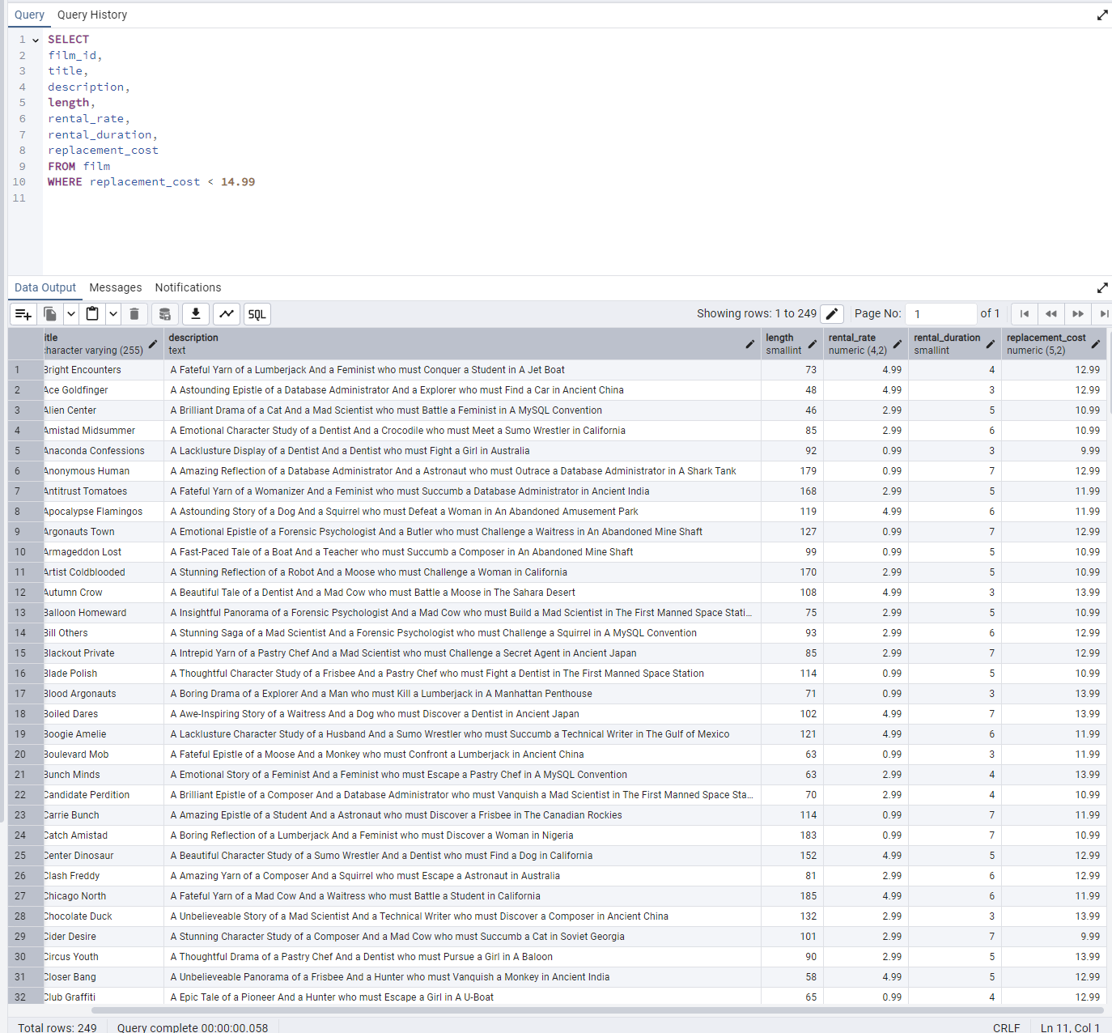
description | length | rental_rate | rental_duration | replacement_cost | SELECT
A Fateful Yarn of a Lumberjack And a Feminist who must Conquer a Student in A Jet Boat | 73 | 4.99 | 4 | 12.99 | film_id,
A Astounding Epistle of a Database Administrator And a Explorer who must Find a Car in Ancient China | 48 | 4.99 | 3 | 12.99 | title,
A Brilliant Drama of a Cat And a Mad Scientist who must Battle a Feminist in A MySQL Convention | 46 | 2.99 | 5 | 10.99 | description,
A Emotional Character Study of a Dentist And a Crocodile who must Meet a Sumo Wrestler in California | 85 | 2.99 | 6 | 10.99 | length,
A Lacklusture Display of a Dentist And a Dentist who must Fight a Girl in Australia | 92 | 0.99 | 3 | 9.99 | rental_rate,
A Amazing Reflection of a Database Administrator And a Astronaut who must Outrace a Database Administrator in A Shark Tank | 179 | 0.99 | 7 | 12.99 | rental_duration,
A Fateful Yarn of a Womanizer And a Feminist who must Succumb a Database Administrator in Ancient India | 168 | 2.99 | 5 | 11.99 | replacement_cost
A Astounding Story of a Dog And a Squirrel who must Defeat a Woman in An Abandoned Amusement Park | 119 | 4.99 | 6 | 11.99 | FROM film
A Emotional Epistle of a Forensic Psychologist And a Butler who must Challenge a Waitress in An Abandoned Mine Shaft | 127 | 0.99 | 7 | 12.99 | WHERE replacement_cost < 14.99
A Fast-Paced Tale of a Boat And a Teacher who must Succumb a Composer in An Abandoned Mine Shaft | 99 | 0.99 | 5 | 10.99
A Stunning Reflection of a Robot And a Moose who must Challenge a Woman in California | 170 | 2.99 | 5 | 10.99
A Beautiful Tale of a Dentist And a Mad Cow who must Battle a Moose in The Sahara Desert | 108 | 4.99 | 3 | 13.99
A Insightful Panorama of a Forensic Psychologist And a Mad Cow who must Build a Mad Scientist in The First Manned Space Station | 75 | 2.99 | 5 | 10.99
A Stunning Saga of a Mad Scientist And a Forensic Psychologist who must Challenge a Squirrel in A MySQL Convention | 93 | 2.99 | 6 | 12.99
A Intrepid Yarn of a Pastry Chef And a Mad Scientist who must Challenge a Secret Agent in Ancient Japan | 85 | 2.99 | 7 | 12.99
A Thoughtful Character Study of a Frisbee And a Pastry Chef who must Fight a Dentist in The First Manned Space Station | 114 | 0.99 | 5 | 10.99
A Boring Drama of a Explorer And a Man who must Kill a Lumberjack in A Manhattan Penthouse | 71 | 0.99 | 3 | 13.99
A Awe-Inspiring Story of a Waitress And a Dog who must Discover a Dentist in Ancient Japan | 102 | 4.99 | 7 | 13.99
A Lacklusture Character Study of a Husband And a Sumo Wrestler who must Succumb a Technical Writer in The Gulf of Mexico | 121 | 4.99 | 6 | 11.99
A Fateful Epistle of a Moose And a Monkey who must Confront a Lumberjack in Ancient China | 63 | 0.99 | 3 | 11.99
A Emotional Story of a Feminist And a Feminist who must Escape a Pastry Chef in A MySQL Convention | 63 | 2.99 | 4 | 13.99
A Brilliant Epistle of a Composer And a Database Administrator who must Vanquish a Mad Scientist in The First Manned Space Station | 70 | 2.99 | 4 | 10.99
A Amazing Epistle of a Student And a Astronaut who must Discover a Frisbee in The Canadian Rockies | 114 | 0.99 | 7 | 11.99
A Boring Reflection of a Lumberjack And a Feminist who must Discover a Woman in Nigeria | 183 | 0.99 | 7 | 10.99
A Beautiful Character Study of a Sumo Wrestler And a Dentist who must Find a Dog in California | 152 | 4.99 | 5 | 12.99
A Amazing Yarn of a Composer And a Squirrel who must Escape a Astronaut in Australia | 81 | 2.99 | 6 | 12.99
A Fateful Yarn of a Mad Cow And a Waitress who must Battle a Student in California | 185 | 4.99 | 6 | 11.99
A Unbelieveable Story of a Mad Scientist And a Technical Writer who must Discover a Composer in Ancient China | 132 | 2.99 | 3 | 13.99
A Stunning Character Study of a Composer And a Mad Cow who must Succumb a Cat in Soviet Georgia | 101 | 2.99 | 7 | 9.99
A Thoughtful Drama of a Pastry Chef And a Dentist who must Pursue a Girl in A Baloon | 90 | 2.99 | 5 | 13.99
A Unbelieveable Panorama of a Frisbee And a Hunter who must Vanquish a Monkey in Ancient India | 58 | 4.99 | 5 | 12.99
A Epic Tale of a Pioneer And a Hunter who must Escape a Girl in A U-Boat | 65 | 0.99 | 4 | 12.99
A Taut Tale of a Car And a Pioneer who must Conquer a Sumo Wrestler in An Abandoned Fun House | 95 | 2.99 | 4 | 13.99
A Awe-Inspiring Drama of a Boy And a Frisbee who must Escape a Pastry Chef in California | 109 | 4.99 | 6 | 10.99
A Fanciful Saga of a Student And a Mad Scientist who must Battle a Hunter in An Abandoned Mine Shaft | 59 | 4.99 | 6 | 13.99
A Touching Story of a Womanizer And a Composer who must Pursue a Husband in Nigeria | 112 | 4.99 | 7 | 12.99
A Stunning Reflection of a Cat And a Woman who must Find a Astronaut in Ancient Japan | 180 | 4.99 | 6 | 13.99
A Insightful Display of a A Shark And a Monkey who must Face a Database Administrator in Ancient India | 166 | 2.99 | 7 | 10.99
A Fateful Documentary of a Robot And a Student who must Battle a Cat in A Monastery | 185 | 4.99 | 7 | 9.99
A Astounding Drama of a Boy And a Lumberjack who must Fight a Butler in A Baloon | 146 | 2.99 | 3 | 10.99
A Fanciful Documentary of a Teacher And a Dog who must Outgun a Forensic Psychologist in A Baloon Factory | 57 | 2.99 | 5 | 12.99
A Fast-Paced Saga of a Pastry Chef And a Monkey who must Sink a Composer in Ancient India | 84 | 4.99 | 5 | 9.99
A Stunning Reflection of a Frisbee And a Husband who must Redeem a Dog in New Orleans | 130 | 4.99 | 3 | 13.99
A Beautiful Tale of a Hunter And a Mad Scientist who must Confront a Squirrel in The First Manned Space Station | 59 | 4.99 | 3 | 13.99
A Thoughtful Story of a Mad Cow And a Womanizer who must Overcome a Mad Scientist in Soviet Georgia | 106 | 2.99 | 7 | 13.99
A Astounding Saga of a Monkey And a Moose who must Conquer a Butler in A Shark Tank | 100 | 0.99 | 4 | 9.99
A Beautiful Reflection of a Monkey And a Dentist who must Face a Database Administrator in Ancient Japan | 87 | 4.99 | 6 | 12.99
A Intrepid Saga of a Man And a Forensic Psychologist who must Reach a Squirrel in A Monastery | 68 | 2.99 | 6 | 13.99
A Thrilling Display of a Pioneer And a Frisbee who must Escape a Teacher in The Outback | 120 | 2.99 | 7 | 10.99
A Astounding Panorama of a Car And a Mad Scientist who must Battle a Lumberjack in A MySQL Convention | 68 | 0.99 | 4 | 13.99
A Lacklusture Character Study of a Butler And a Car who must Redeem a Boat in An Abandoned Fun House | 159 | 2.99 | 4 | 11.99
A Epic Display of a Crocodile And a Crocodile who must Confront a Dog in An Abandoned Amusement Park | 96 | 0.99 | 6 | 11.99
A Stunning Reflection of a Husband And a Lumberjack who must Face a Frisbee in An Abandoned Fun House | 132 | 4.99 | 3 | 9.99
A Emotional Display of a Boat And a Explorer who must Challenge a Madman in A MySQL Convention | 171 | 0.99 | 5 | 13.99
A Emotional Yarn of a Girl And a Dog who must Challenge a Composer in Ancient Japan | 101 | 2.99 | 6 | 13.99
A Fateful Story of a Monkey And a Girl who must Overcome a Pastry Chef in Ancient India | 148 | 4.99 | 5 | 12.99
A Beautiful Yarn of a Composer And a Mad Cow who must Redeem a Mad Scientist in A Jet Boat | 153 | 4.99 | 5 | 9.99
A Intrepid Story of a Madman And a Secret Agent who must Outrace a Astronaut in An Abandoned Amusement Park | 85 | 0.99 | 3 | 11.99
A Lacklusture Display of a Womanizer And a Dog who must Face a Sumo Wrestler in Ancient Japan | 152 | 4.99 | 7 | 11.99
A Astounding Drama of a Feminist And a Teacher who must Confront a Husband in A Baloon | 143 | 0.99 | 6 | 9.99
A Unbelieveable Display of a Dentist And a Madman who must Vanquish a Squirrel in Berlin | 85 | 0.99 | 6 | 10.99
A Fanciful Character Study of a Feminist And a Madman who must Find a Explorer in A Baloon Factory | 174 | 0.99 | 5 | 10.99
A Thrilling Story of a Cat And a Waitress who must Fight a Explorer in The Outback | 172 | 2.99 | 4 | 13.99
A Action-Packed Saga of a Teacher And a Frisbee who must Escape a Lumberjack in The Sahara Desert | 144 | 0.99 | 4 | 9.99
A Thoughtful Yarn of a Monkey And a Teacher who must Find a Dog in Australia | 104 | 0.99 | 3 | 12.99
A Lacklusture Reflection of a Dentist And a Hunter who must Meet a Teacher in A Baloon | 77 | 4.99 | 6 | 9.99
A Touching Display of a Frisbee And a Frisbee who must Kill a Girl in The Gulf of Mexico | 142 | 2.99 | 3 | 13.99
A Awe-Inspiring Drama of a Technical Writer And a Composer who must Reach a Pastry Chef in A U-Boat | 118 | 4.99 | 5 | 11.99
A Intrepid Panorama of a Womanizer And a Girl who must Escape a Girl in A Manhattan Penthouse | 91 | 0.99 | 3 | 13.99
A Fateful Tale of a Database Administrator And a Girl who must Battle a Squirrel in New Orleans | 156 | 0.99 | 4 | 10.99
A Fateful Story of a Husband And a Moose who must Vanquish a Boy in California | 148 | 4.99 | 3 | 11.99
A Fateful Story of a Lumberjack And a Car who must Escape a Boat in An Abandoned Mine Shaft | 73 | 2.99 | 6 | 11.99
A Amazing Reflection of a Lumberjack And a Cat who must Discover a Husband in A MySQL Convention | 82 | 0.99 | 5 | 13.99
...

1e
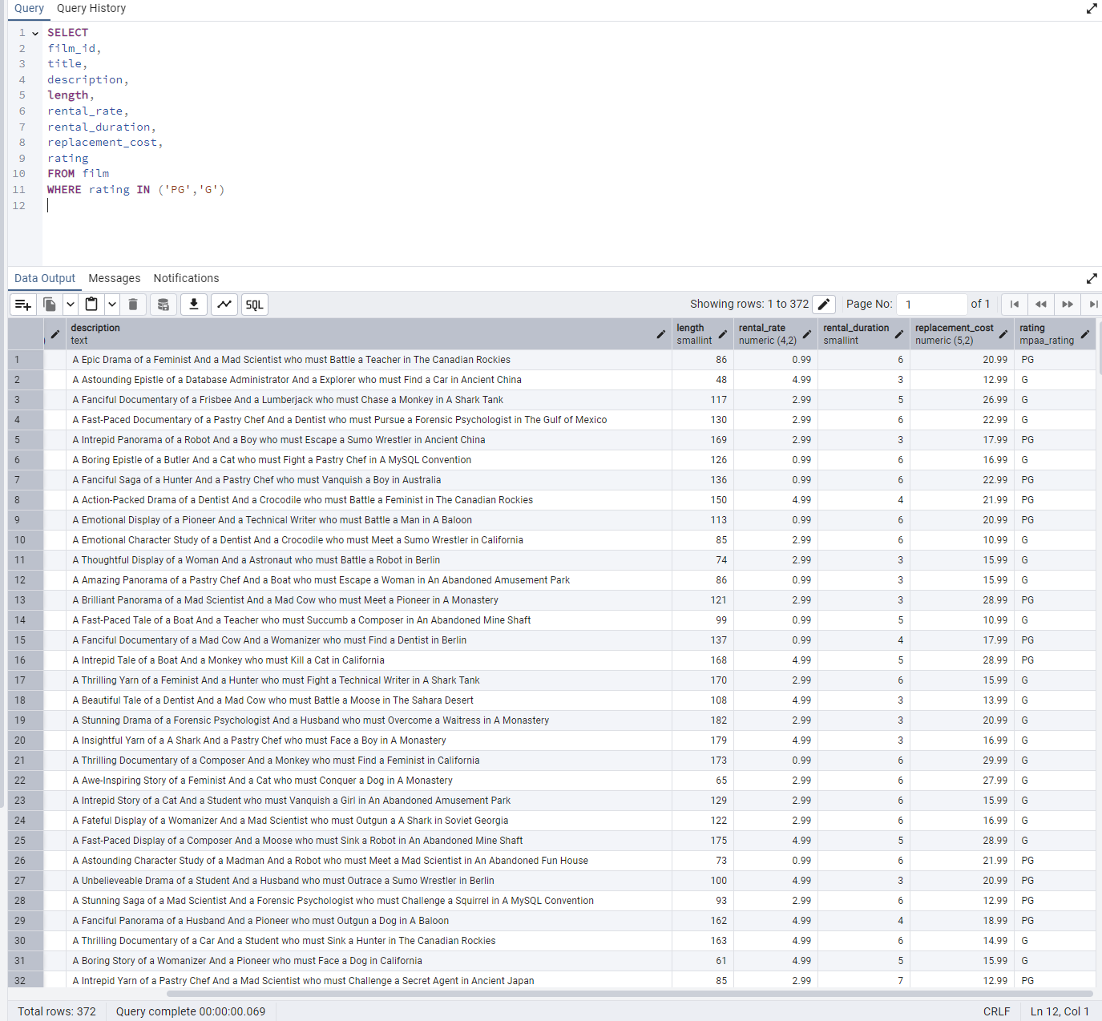
length | rental_rate | rental_duration | replacement_cost | rating | SELECT
86 | 0.99 | 6 | 20.99 | PG | film_id,
48 | 4.99 | 3 | 12.99 | G | title,
117 | 2.99 | 5 | 26.99 | G | description,
130 | 2.99 | 6 | 22.99 | G | length,
169 | 2.99 | 3 | 17.99 | PG | rental_rate,
126 | 0.99 | 6 | 16.99 | G | rental_duration,
136 | 0.99 | 6 | 22.99 | PG | replacement_cost,
150 | 4.99 | 4 | 21.99 | PG | rating
113 | 0.99 | 6 | 20.99 | PG | FROM film
85 | 2.99 | 6 | 10.99 | G | WHERE rating IN ('PG','G')
74 | 2.99 | 3 | 15.99 | G
86 | 0.99 | 3 | 15.99 | G
121 | 2.99 | 3 | 28.99 | PG
99 | 0.99 | 5 | 10.99 | G
137 | 0.99 | 4 | 17.99 | PG
168 | 4.99 | 5 | 28.99 | PG
170 | 2.99 | 6 | 15.99 | G
108 | 4.99 | 3 | 13.99 | G
182 | 2.99 | 3 | 20.99 | G
179 | 4.99 | 3 | 16.99 | G
173 | 0.99 | 6 | 29.99 | G
65 | 2.99 | 6 | 27.99 | G
129 | 2.99 | 6 | 15.99 | G
122 | 2.99 | 6 | 16.99 | G
175 | 4.99 | 5 | 28.99 | G
73 | 0.99 | 6 | 21.99 | PG
100 | 4.99 | 3 | 20.99 | PG
93 | 2.99 | 6 | 12.99 | PG
162 | 4.99 | 4 | 18.99 | PG
163 | 4.99 | 6 | 14.99 | G
61 | 4.99 | 5 | 15.99 | G
85 | 2.99 | 7 | 12.99 | PG
148 | 2.99 | 7 | 21.99 | G
71 | 0.99 | 3 | 13.99 | G
50 | 2.99 | 5 | 18.99 | G
102 | 4.99 | 7 | 13.99 | PG
63 | 0.99 | 4 | 29.99 | G
179 | 4.99 | 7 | 17.99 | PG
63 | 0.99 | 7 | 22.99 | G
98 | 0.99 | 5 | 17.99 | PG
121 | 4.99 | 4 | 27.99 | PG
123 | 4.99 | 5 | 18.99 | G
56 | 0.99 | 7 | 24.99 | G
136 | 2.99 | 7 | 14.99 | PG
133 | 4.99 | 7 | 27.99 | PG
119 | 2.99 | 4 | 17.99 | G
61 | 2.99 | 4 | 14.99 | G
63 | 2.99 | 4 | 13.99 | G
89 | 0.99 | 3 | 17.99 | G
176 | 0.99 | 6 | 22.99 | G
151 | 2.99 | 4 | 15.99 | PG
114 | 0.99 | 7 | 11.99 | PG
85 | 4.99 | 6 | 22.99 | G
112 | 4.99 | 5 | 14.99 | G
183 | 0.99 | 7 | 10.99 | G
152 | 4.99 | 5 | 12.99 | PG
114 | 0.99 | 6 | 25.99 | PG
51 | 4.99 | 4 | 21.99 | PG
81 | 2.99 | 6 | 12.99 | G
66 | 2.99 | 3 | 21.99 | PG
114 | 4.99 | 7 | 21.99 | PG
87 | 0.99 | 6 | 23.99 | G
122 | 0.99 | 3 | 24.99 | PG
142 | 0.99 | 6 | 17.99 | PG
61 | 4.99 | 7 | 24.99 | PG
124 | 4.99 | 5 | 25.99 | G
107 | 2.99 | 6 | 24.99 | G
101 | 2.99 | 7 | 9.99 | PG
165 | 0.99 | 7 | 18.99 | G
164 | 4.99 | 3 | 15.99 | G
55 | 0.99 | 4 | 20.99 | PG
70 | 4.99 | 7 | 27.99 | G
149 | 2.99 | 6 | 19.99 | G
...

3
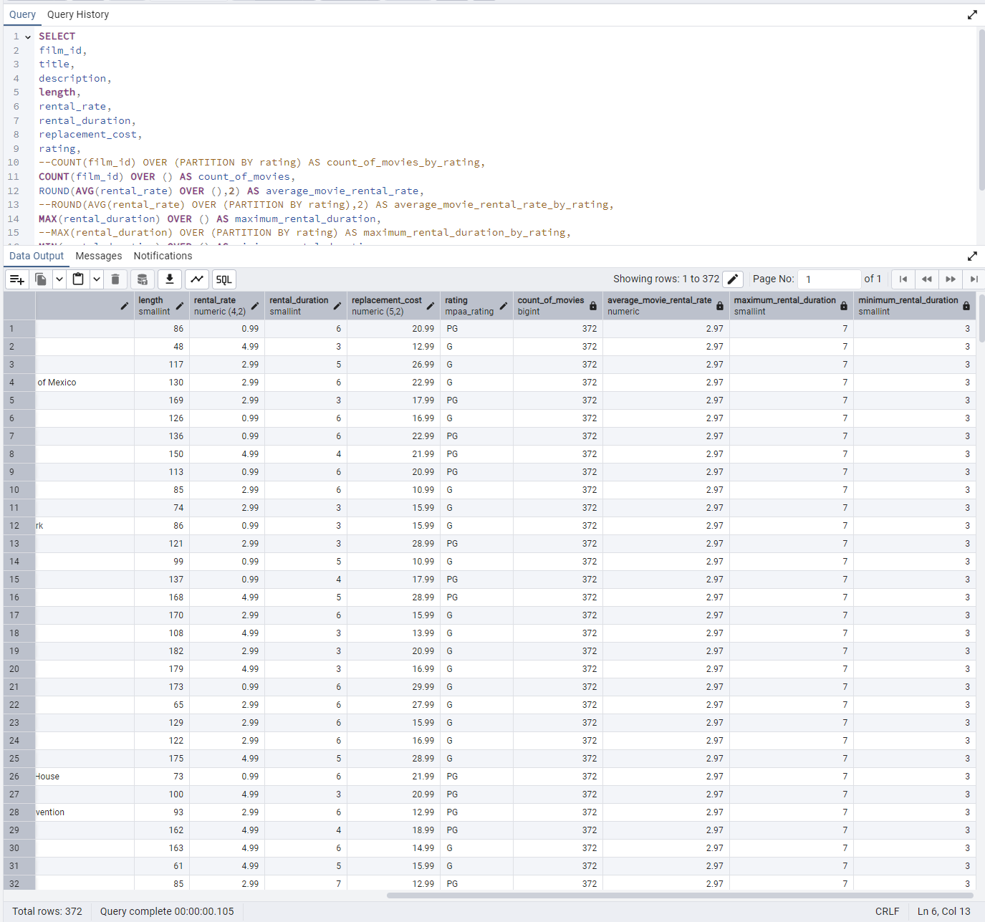
rating | count_of_movies | average_movie_rental_rate | maximum_rental_duration | minimum_rental_duration | SELECT
PG | 372 | 2.97 | 7 | 3 | film_id,
G | 372 | 2.97 | 7 | 3 | title,
G | 372 | 2.97 | 7 | 3 | description,
G | 372 | 2.97 | 7 | 3 | length,
PG | 372 | 2.97 | 7 | 3 | rental_rate,
G | 372 | 2.97 | 7 | 3 | rental_duration,
PG | 372 | 2.97 | 7 | 3 | replacement_cost,
PG | 372 | 2.97 | 7 | 3 | rating,
PG | 372 | 2.97 | 7 | 3 | --COUNT(film_id) OVER (PARTITION BY rating) AS count_of_movies_by_rating,
G | 372 | 2.97 | 7 | 3 | COUNT(film_id) OVER () AS count_of_movies,
G | 372 | 2.97 | 7 | 3 | ROUND(AVG(rental_rate) OVER (),2) AS average_movie_rental_rate,
G | 372 | 2.97 | 7 | 3 | --ROUND(AVG(rental_rate) OVER (PARTITION BY rating),2) AS average_movie_rental_rate_by_rating,
PG | 372 | 2.97 | 7 | 3 | MAX(rental_duration) OVER () AS maximum_rental_duration,
G | 372 | 2.97 | 7 | 3 | --MAX(rental_duration) OVER (PARTITION BY rating) AS maximum_rental_duration_by_rating,
PG | 372 | 2.97 | 7 | 3 | MIN(rental_duration) OVER () AS minimum_rental_duration
PG | 372 | 2.97 | 7 | 3 | --MIN(rental_duration) OVER (PARTITION BY rating) AS minimum_rental_duration_by_rating
G | 372 | 2.97 | 7 | 3 | FROM film
G | 372 | 2.97 | 7 | 3 | WHERE rating IN ('PG','G')
G | 372 | 2.97 | 7 | 3
G | 372 | 2.97 | 7 | 3
G | 372 | 2.97 | 7 | 3
G | 372 | 2.97 | 7 | 3
G | 372 | 2.97 | 7 | 3
G | 372 | 2.97 | 7 | 3
G | 372 | 2.97 | 7 | 3
PG | 372 | 2.97 | 7 | 3
PG | 372 | 2.97 | 7 | 3
PG | 372 | 2.97 | 7 | 3
PG | 372 | 2.97 | 7 | 3
G | 372 | 2.97 | 7 | 3
G | 372 | 2.97 | 7 | 3
PG | 372 | 2.97 | 7 | 3
G | 372 | 2.97 | 7 | 3
G | 372 | 2.97 | 7 | 3
G | 372 | 2.97 | 7 | 3
PG | 372 | 2.97 | 7 | 3
G | 372 | 2.97 | 7 | 3
PG | 372 | 2.97 | 7 | 3
G | 372 | 2.97 | 7 | 3
PG | 372 | 2.97 | 7 | 3
PG | 372 | 2.97 | 7 | 3
G | 372 | 2.97 | 7 | 3
G | 372 | 2.97 | 7 | 3
PG | 372 | 2.97 | 7 | 3
PG | 372 | 2.97 | 7 | 3
G | 372 | 2.97 | 7 | 3
G | 372 | 2.97 | 7 | 3
G | 372 | 2.97 | 7 | 3
G | 372 | 2.97 | 7 | 3
G | 372 | 2.97 | 7 | 3
PG | 372 | 2.97 | 7 | 3
PG | 372 | 2.97 | 7 | 3
G | 372 | 2.97 | 7 | 3
G | 372 | 2.97 | 7 | 3
G | 372 | 2.97 | 7 | 3
PG | 372 | 2.97 | 7 | 3
PG | 372 | 2.97 | 7 | 3
PG | 372 | 2.97 | 7 | 3
G | 372 | 2.97 | 7 | 3
PG | 372 | 2.97 | 7 | 3
PG | 372 | 2.97 | 7 | 3
G | 372 | 2.97 | 7 | 3
PG | 372 | 2.97 | 7 | 3
PG | 372 | 2.97 | 7 | 3
PG | 372 | 2.97 | 7 | 3
G | 372 | 2.97 | 7 | 3
G | 372 | 2.97 | 7 | 3
PG | 372 | 2.97 | 7 | 3
G | 372 | 2.97 | 7 | 3
G | 372 | 2.97 | 7 | 3
PG | 372 | 2.97 | 7 | 3
G | 372 | 2.97 | 7 | 3
G | 372 | 2.97 | 7 | 3
G | 372 | 2.97 | 7 | 3
...

4
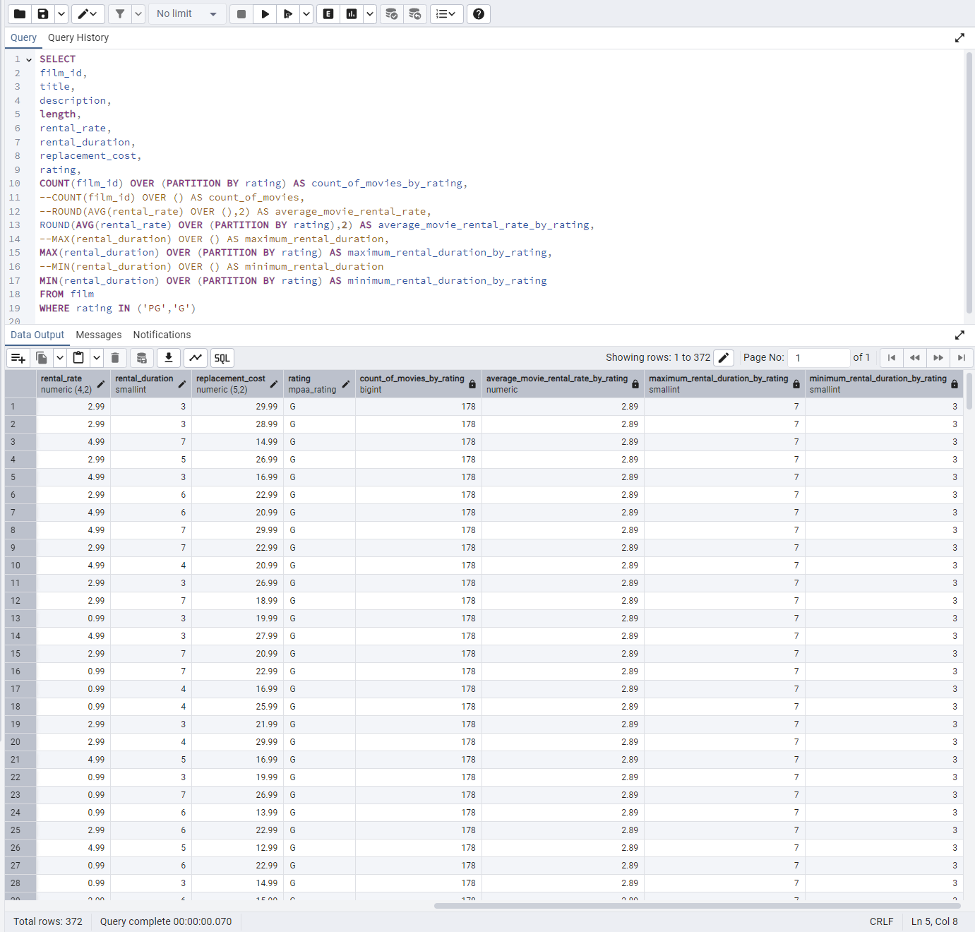
rating | count_of_movies_by_rating | average_movie_rental_rate_by_rating | maximum_rental_duration_by_rating | minimum_rental_duration_by_rating | SELECT
G | 178 | 2.89 | 7 | 3 | film_id,
G | 178 | 2.89 | 7 | 3 | title,
G | 178 | 2.89 | 7 | 3 | description,
G | 178 | 2.89 | 7 | 3 | length,
G | 178 | 2.89 | 7 | 3 | rental_rate,
G | 178 | 2.89 | 7 | 3 | rental_duration,
G | 178 | 2.89 | 7 | 3 | replacement_cost,
G | 178 | 2.89 | 7 | 3 | rating,
G | 178 | 2.89 | 7 | 3 | COUNT(film_id) OVER (PARTITION BY rating) AS count_of_movies_by_rating,
G | 178 | 2.89 | 7 | 3 | --COUNT(film_id) OVER () AS count_of_movies,
G | 178 | 2.89 | 7 | 3 | --ROUND(AVG(rental_rate) OVER (),2) AS average_movie_rental_rate,
G | 178 | 2.89 | 7 | 3 | ROUND(AVG(rental_rate) OVER (PARTITION BY rating),2) AS average_movie_rental_rate_by_rating,
G | 178 | 2.89 | 7 | 3 | --MAX(rental_duration) OVER () AS maximum_rental_duration,
G | 178 | 2.89 | 7 | 3 | MAX(rental_duration) OVER (PARTITION BY rating) AS maximum_rental_duration_by_rating,
G | 178 | 2.89 | 7 | 3 | --MIN(rental_duration) OVER () AS minimum_rental_duration
G | 178 | 2.89 | 7 | 3 | MIN(rental_duration) OVER (PARTITION BY rating) AS minimum_rental_duration_by_rating
G | 178 | 2.89 | 7 | 3 | FROM film
G | 178 | 2.89 | 7 | 3 | WHERE rating IN ('PG','G')
G | 178 | 2.89 | 7 | 3
G | 178 | 2.89 | 7 | 3
G | 178 | 2.89 | 7 | 3
G | 178 | 2.89 | 7 | 3
G | 178 | 2.89 | 7 | 3
G | 178 | 2.89 | 7 | 3
G | 178 | 2.89 | 7 | 3
G | 178 | 2.89 | 7 | 3
G | 178 | 2.89 | 7 | 3
G | 178 | 2.89 | 7 | 3
G | 178 | 2.89 | 7 | 3
G | 178 | 2.89 | 7 | 3
G | 178 | 2.89 | 7 | 3
G | 178 | 2.89 | 7 | 3
G | 178 | 2.89 | 7 | 3
G | 178 | 2.89 | 7 | 3
G | 178 | 2.89 | 7 | 3
G | 178 | 2.89 | 7 | 3
G | 178 | 2.89 | 7 | 3
G | 178 | 2.89 | 7 | 3
G | 178 | 2.89 | 7 | 3
G | 178 | 2.89 | 7 | 3
G | 178 | 2.89 | 7 | 3
G | 178 | 2.89 | 7 | 3
G | 178 | 2.89 | 7 | 3
G | 178 | 2.89 | 7 | 3
G | 178 | 2.89 | 7 | 3
G | 178 | 2.89 | 7 | 3
G | 178 | 2.89 | 7 | 3
G | 178 | 2.89 | 7 | 3
G | 178 | 2.89 | 7 | 3
G | 178 | 2.89 | 7 | 3
G | 178 | 2.89 | 7 | 3
G | 178 | 2.89 | 7 | 3
G | 178 | 2.89 | 7 | 3
G | 178 | 2.89 | 7 | 3
G | 178 | 2.89 | 7 | 3
G | 178 | 2.89 | 7 | 3
G | 178 | 2.89 | 7 | 3
G | 178 | 2.89 | 7 | 3
G | 178 | 2.89 | 7 | 3
G | 178 | 2.89 | 7 | 3
G | 178 | 2.89 | 7 | 3
G | 178 | 2.89 | 7 | 3
G | 178 | 2.89 | 7 | 3
G | 178 | 2.89 | 7 | 3
G | 178 | 2.89 | 7 | 3
G | 178 | 2.89 | 7 | 3
G | 178 | 2.89 | 7 | 3
G | 178 | 2.89 | 7 | 3
G | 178 | 2.89 | 7 | 3
G | 178 | 2.89 | 7 | 3
G | 178 | 2.89 | 7 | 3
G | 178 | 2.89 | 7 | 3
G | 178 | 2.89 | 7 | 3
G | 178 | 2.89 | 7 | 3
G | 178 | 2.89 | 7 | 3
G | 178 | 2.89 | 7 | 3
...

